Model
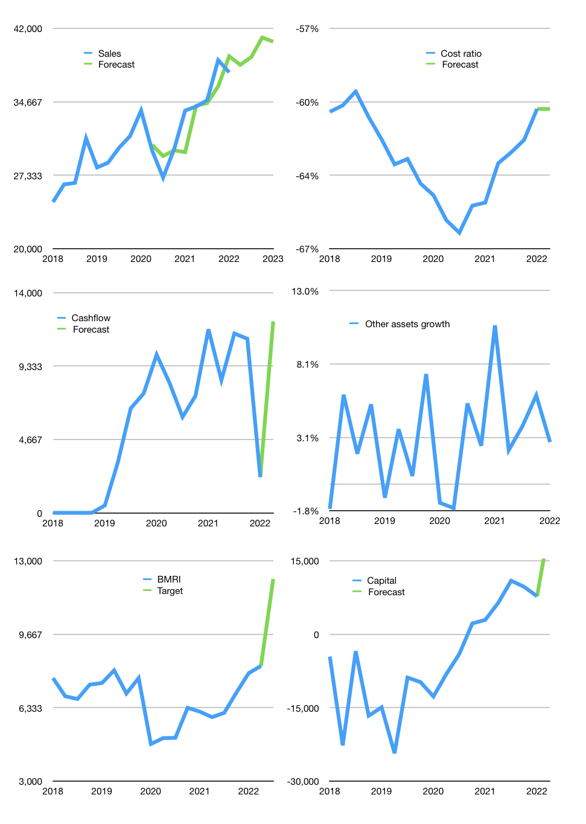
Financial model
Rpbn |  |  | 4Q 2022
Cashflow | 3% |  |  | 2%
Growth | 2% | 2% | 5% | -1%
Sales | 38,362 | 39,130 | 41,086 | 40,675
Cost ratio | -61% | -61% | -61% | -61%
Cash costs | -23,270 | -23,735 | -24,922 | -24,673
Operating | 15,092 | 15,394 | 16,164 | 16,002
Investment | -3,836 | -3,836 | -3,836 | -3,836
Finance | -3,558 | -3,664 | -3,934 | -3,877
Payout | 0.4
Equity | -3,558 | -3,664 | -3,934 | -3,877
Before revolver | 7,698 | 7,894 | 8,394 | 8,289
Revolver | 0 | 0 | 0 | 0
Beginning | 158,907 | 166,605 | 174,499 | 182,894
Change | 7,698 | 7,894 | 8,394 | 8,289
Ending | 166,605 | 174,499 | 182,894 | 191,183
Profit
Depreciation | -863 | -863 | -863 | -863
Provision | -4,062 | -4,062 | -4,062 | -4,062
Net profit | 10,167 | 10,469 | 11,239 | 11,077
Balance sheet
Other assets | 1,677,230 | 1,681,066 | 1,684,902 | 1,688,738
Depreciation | 103,151 | 108,077 | 113,002 | 117,928
Net other assets | 1,574,079 | 1,572,989 | 1,571,900 | 1,570,810
Liabilities | 1,339,639 | 1,339,639 | 1,339,639 | 1,339,639
Revolver | 0 | 0 | 0 | 0
Equity | 401,045 | 407,849 | 415,154 | 422,354
Check | 0 | 0 | 0 | 0
Valuation
Capital | 11,298 | 14,962 | 18,895 | 22,772
Current value |  |  |  | 383,542,451,712,000
Current value |  |  |  | 383,542
P/assets |  |  |  | 0.22
Yield |  |  |  | 4%
Cashfkow |  |  |  | 47,309
Valuation |  |  |  | 8
Forecast |  |  |  | 12
Value |  |  |  | 567,709
Shares |  |  |  | 47
Target |  |  |  | 12,174
Current |  |  |  | 8,225
V target |  |  |  | 48%
12 month growth |  |  |  | 11%
Sales forecasts |  |  |  | -1%

Capital
Capital
 | Liabilities | Equity | Total | Liabilities | Equity | Total
1998 | 7,071 | 21,754 | 28,825 | 7,071 | 21,754 | 28,825
1999 | 9,400 | 178,000 | 187,400 | 16,471 | 199,754 | 216,225
2000 | 9,577 | -2,657 | 6,920 | 26,048 | 197,097 | 223,145
2001 | -13,815 | -1,011 | -14,826 | 12,233 | 196,086 | 208,319
2002 | -5,400 | -1,372 | -6,772 | 6,833 | 194,714 | 201,547
2003 | -1,075 | -2,930 | -4,005 | 5,758 | 191,784 | 197,542
2004 | -4,682 | -2,322 | -7,004 | 1,076 | 189,462 | 190,538
2005 | -6,327 | -2,668 | -8,995 | -5,251 | 186,794 | 181,543
2006 | -2,143 | 101 | -2,042 | -7,394 | 186,895 | 179,501
2007 | 5,823 | -1,316 | 4,507 | -1,571 | 185,579 | 184,008
2009 | -5,208 | -3,950 | -9,158 | -6,779 | 181,629 | 174,850
2010 | -2,088 | -2,380 | -4,468 | -8,867 | 179,249 | 170,382
2011 | 6,600 | 8,220 | 14,820 | -2,267 | 187,469 | 185,202
2012 | -1,566 | -2,940 | -4,506 | -3,833 | 184,529 | 180,696
2013 | 11,005 | -4,651 | 6,354 | 7,172 | 179,878 | 187,050
2014 | 8,957 | -5,461 | 3,496 | 16,129 | 174,417 | 190,546
2015 | 5,746 | -4,968 | 778 | 21,875 | 169,449 | 191,324
2016 | 4,125 | -6,100 | -1,975 | 26,000 | 163,349 | 189,349
2017 | 6,915 | -6,213 | 702 | 32,915 | 157,136 | 190,051
2018 | 26,439 | -9,288 | 17,151 | 59,354 | 147,848 | 207,202
2019 | 4,384 | -11,257 | -6,873 | 63,738 | 136,591 | 200,329
2020 | 4,742 | -16,717 | -11,975 | 68,480 | 119,874 | 188,354
2021 | 2,777 | -10,272 | -7,495 | 71,257 | 109,602 | 180,859 | -46 | -1,698 | -7495

