Model
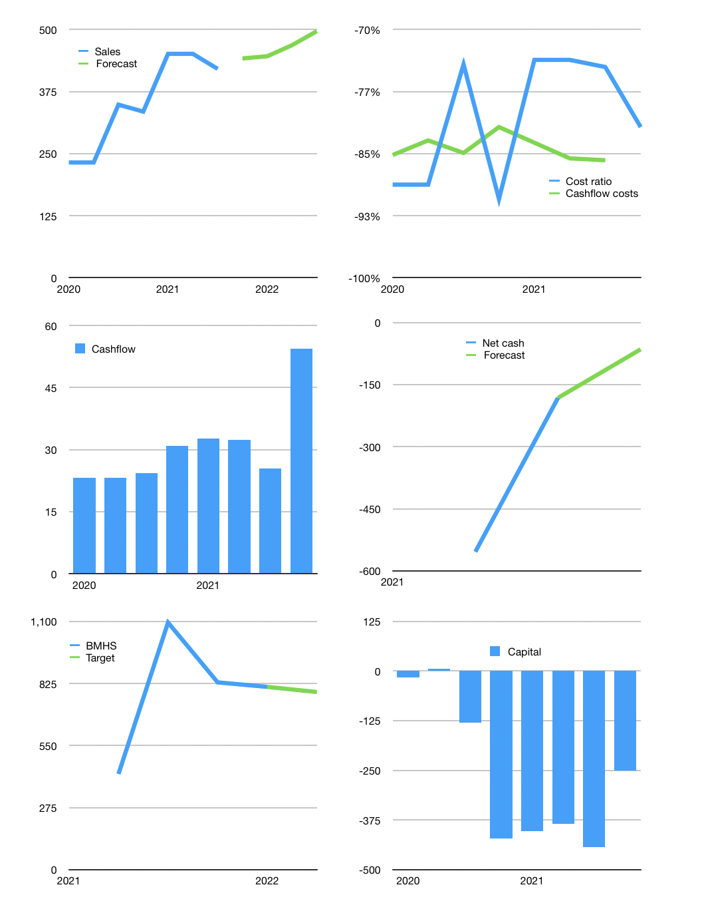
Financial model
Rpbn | 4Q 2021
Cash flow | 6% |  |  | 4%
Growth | 5% | 1% | 5% | 6%
Sales | 442 | 446 | 469 | 497
Cost ratio | -82% | -82% | -82% | -82%
Cash costs | -361 | -365 | -383 | -406
Operating | 80 | 81 | 85 | 90
Investment | -36 | -36 | -36 | -36
Finance | -44 | -45 | -49 | -54
Liabilities | -43 | -41 | -39 | -37
Equity | -18 | -18 | -19 | -21
Before revolver | -16 | -14 | -9 | -3
Revolver | 16 | 14 | 9 | 3
Beginning | 680 | 680 | 680 | 680
Change | 0 | 0 | 0 | 0
Ending | 680 | 680 | 680 | 680
Profit
Non cash cost | -21 | -21 | -21 | -21
Net profit | 59 | 60 | 64 | 69
Balance sheet
Other assets | 2,212 | 2,248 | 2,284 | 2,320
Depreciation | 344 | 365 | 387 | 408
Net other assets | 1,868 | 1,883 | 1,898 | 1,913
Liabilities | 819 | 778 | 739 | 702
Revolver | 16 | 30 | 39 | 43
Equity | 1,713 | 1,755 | 1,799 | 1,848
Check | 0 | 0 | 0 | 0
Net cash | -155 | -128 | -98 | -65
Valuation
Capital | -400 | -354 | -305 | -251
Current value |  |  |  | 6,959
P/assets |  |  |  | 2.68
Yield |  |  |  | 1%
Cashflow |  |  |  | 193
Payback |  |  |  | 10
Valuation |  |  |  | 36
Forecast |  |  |  | 35
Value |  |  |  | 6,763
Shares |  |  |  | 9
Target |  |  |  | 787
Current |  |  |  | 810
V target |  |  |  | -3%
12 month growth |  |  |  | 21%
Sales v forecast |  |  |  | -100%

