Model
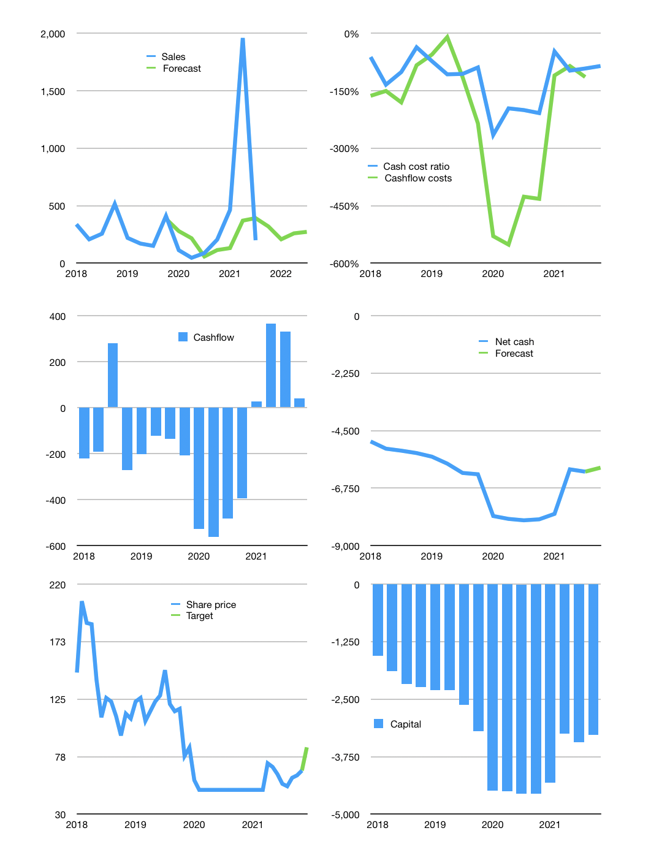
Financial model
Rpbn | 4Q 2021
Cashflow | 123% |  |  | 14%
Growth | 60% | -35% | 25% | 5%
Sales | 319 | 208 | 259 | 272
Cost ratio | -85% | -85% | -85% | -85%
Cash costs | -272 | -177 | -221 | -232
Operating | 47 | 31 | 38 | 40
Investment | 0 | 0 | 0 | 0
Finance | -47 | -31 | -38 | -40
Liabilities | -324 | -308 | -293 | -278
Equity | 0 | 0 | 0 | 0
Before revolver | -277 | -278 | -255 | -238
Revolver | 277 | 278 | 255 | 238
Beginning | 379 | 379 | 379 | 379
Change | 0 | 0 | 0 | 0
Ending | 379 | 379 | 379 | 379
Profit
Non cash costs | -3 | -3 | -3 | -3
Net profit | 44 | 27 | 35 | 37
Balance sheet
Other assets | 16,867 | 16,867 | 16,867 | 16,867
Depreciation | 187 | 190 | 193 | 196
Net other assets | 16,680 | 16,677 | 16,674 | 16,671
Liabilities | 6,163 | 5,855 | 5,562 | 5,284
Revolver | 277 | 555 | 810 | 1,048
Equity | 10,619 | 10,646 | 10,681 | 10,718
Check | 0 | 0 | 0 | 0
Net cash | -6,061 | -6,031 | -5,992 | -5,952
Valuation
Capital | -3,390 | -3,359 | -3,321 | -3,281
Current value |  |  |  | 4,220
P/assets |  |  |  | 0.25
Yield |  |  |  | 0%
Cashflow |  |  |  | 156
Payback |  |  |  | 107
Valuation |  |  |  | 27
Forecast |  |  |  | 35
Value |  |  |  | 5,447
Shares |  |  |  | 64
Target |  |  |  | 85
Current |  |  |  | 66
V target |  |  |  | 29%
12 month growth |  |  |  | 128%
Sales forecasts |  |  |  | -44%

