Model
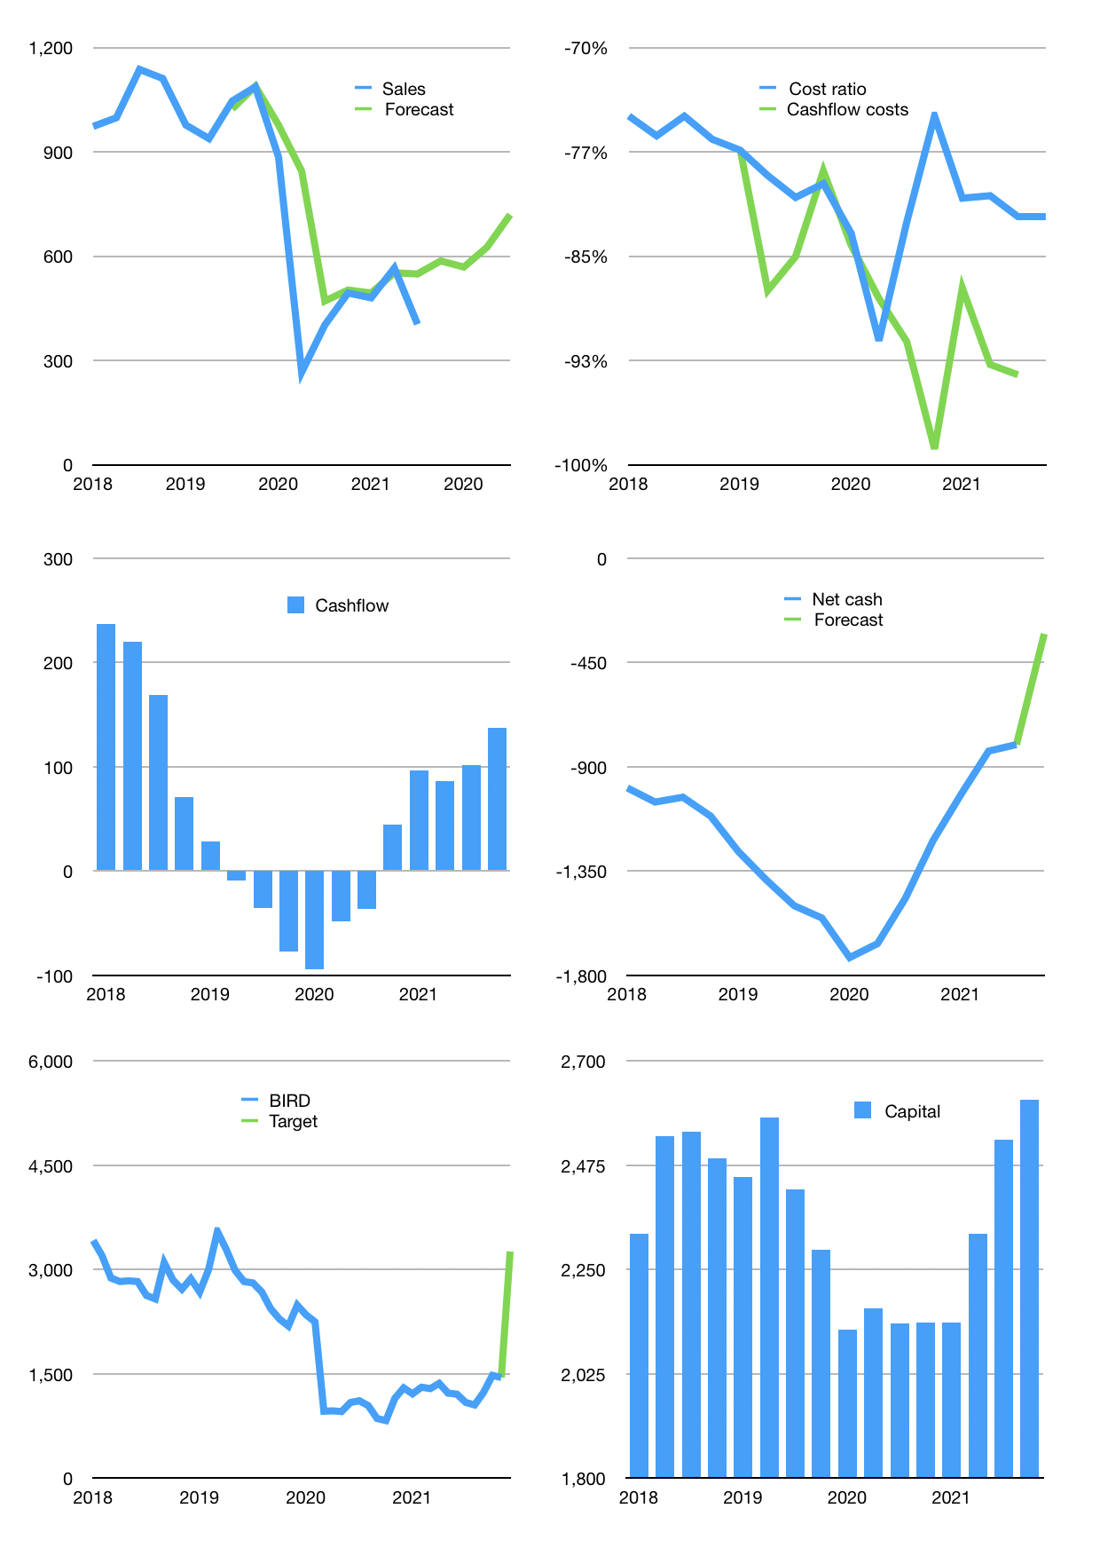
Financial model
Rpbn | 4Q 2021
Cashflow | 2% |  |  | 17%
Growth | 45% | -3% | 10% | 15%
Sales | 586 | 569 | 625 | 719
Cost ratio | -82% | -82% | -82% | -82%
Cash costs | -482 | -467 | -514 | -591
Operating | 105 | 101 | 112 | 128
Investment | 9 | 9 | 9 | 9
Finance | -77 | -73 | -70 | -68
Liabilities | -77 | -73 | -70 | -66
Equity | 0 | 0 | 0 | -2
Before revolver | 36 | 37 | 50 | 69
Revolver | 0 | 0 | 0 | 0
Beginning | 740 | 776 | 812 | 863
Change | 36 | 37 | 50 | 69
Ending | 776 | 812 | 863 | 931
Profit
Non cash costs | -108 | -108 | -108 | -108
Net profit | -4 | -7 | 3 | 20
Balance sheet
Other assets | 8,139 | 8,131 | 8,122 | 8,114
Depreciation | 2,372 | 2,481 | 2,589 | 2,697
Net other assets | 5,767 | 5,650 | 5,533 | 5,416
Liabilities | 1,468 | 1,394 | 1,325 | 1,258
Revolver | 0 | 0 | 0 | 0
Equity | 5,075 | 5,068 | 5,071 | 5,089
Check | 0 | 0 | 0 | 0
Net cash | -692 | -582 | -462 | -327
Valuation
Capital | 2,406 | 2,479 | 2,549 | 2,617
Current value |  |  |  | 3,628
P/assets |  |  |  | 0.57
Yield |  |  |  | 0%
Cashflow |  |  |  | 480
Payback |  |  |  | 12
Valuation |  |  |  | 8
Forecast |  |  |  | 17
Value |  |  |  | 8,162
Shares |  |  |  | 3
Target |  |  |  | 3,262
Current |  |  |  | 1,450
V target |  |  |  | 125%
12 month growth |  |  |  | 1%
Sales forecasts |  |  |  | 15%

