Model
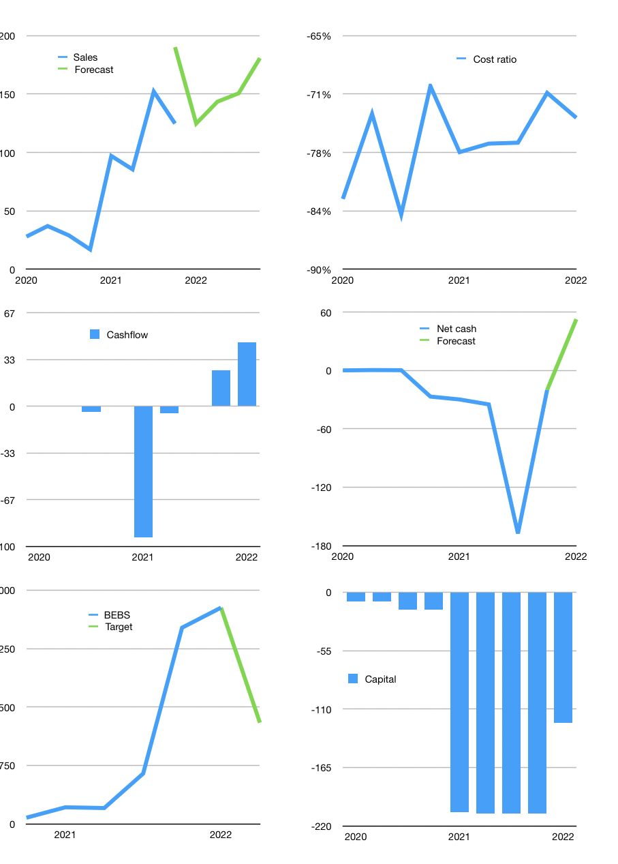
Model
Rpbn |  |  |  | 4Q 2022
Cashflow | 16% |  |  | 10%
Growth | 0% | 15% | 5% | 20.0%
Sales | 125 | 143 | 151 | 181
Cost ratio | -74% | -74% | -74% | -74%
Cash costs | -92 | -106 | -111 | -133
Non cash costs | -1 | -1 | -1 | -1
Profit | 32 | 37 | 39 | 46
Operating | 33 | 38 | 39 | 47
Investment | -2 | -2 | -2 | -2
Leases | -2 | -2 | -2 | -2
Liabilities | -2.3225 | -2 | -2 | -2
Equity | -16 | -18 | -19 | -23
Before revolver | 12.558151246 | 15 | 16 | 20
Revolver | 0 | 0 | 0 | 0
Beginning | 26 | 39 | 54 | 70
Change | 12.558151246 | 15 | 16 | 20
Ending | 39 | 54 | 70 | 90
Balance sheet
Other assets | 712.574 | 715 | 716 | 718
Depreciation | 9.654 | 11 | 12 | 13
Liabilities | 44.1275 | 42 | 40 | 38
Revolver | 0 | 0 | 0 | 0
Equity | 698 | 716 | 735 | 759
Check | -0.0080000000001 | 0 | 0 | 0
Net cash | -5.2033487535 | 12 | 30 | 53
Valuation
Capital | -190 | -169 | -148 | -123
Current value |  |  |  | 58,270
P/assets |  |  |  | 73.17
Yield |  |  |  | 0%
Cashflow |  |  |  | 182
Payback |  |  |  | 3.9
Valuation |  |  |  | 321
Forecast |  |  |  | 150
Value |  |  |  | 27258
Shares |  |  |  | 9
Target |  |  |  | 3,029
Current |  |  |  | 6,475
V target |  |  |  | -53%
12 month growth |  |  |  | 634%
Sales forecasts |  |  |  | 52%

