Model
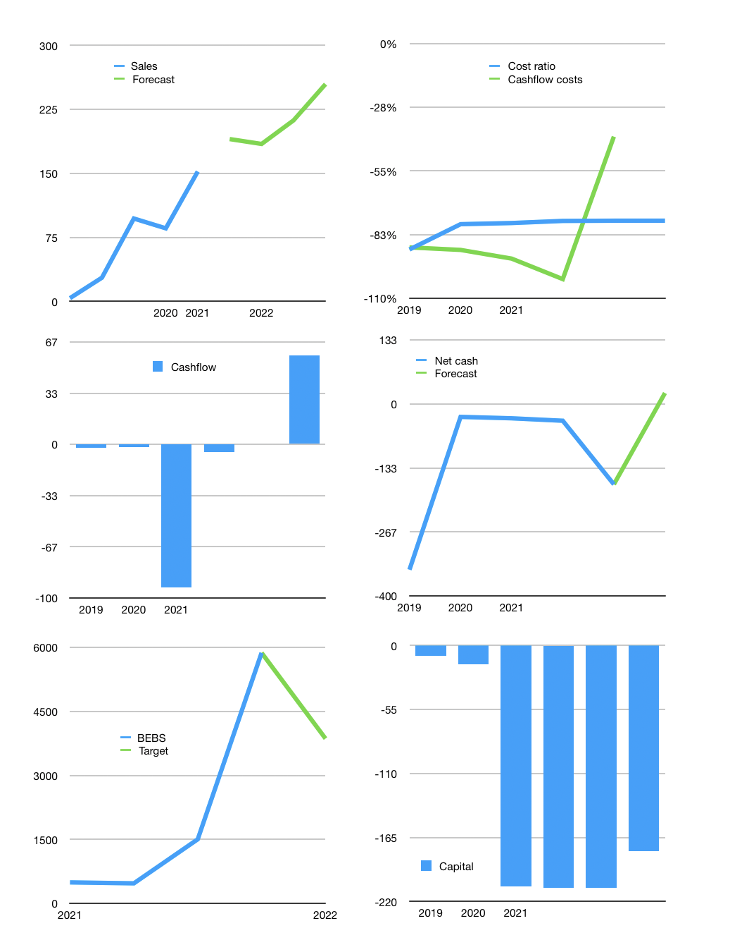
Model
Rpbn | 4Q 2021
Cashflow | 33% |  |  | 14%
Growth | 25% | -3% | 15% | 20.0%
Sales | 190 | 184 | 212 | 255
Cost ratio | -76% | -76% | -76% | -76%
Cash costs | -145 | -141 | -162 | -195
Non cash costs | -1 | -1 | -1 | -1
Profit | 44 | 43 | 49 | 59
Operating | 45 | 43 | 50 | 60
Investment | -2 | -2 | -2 | -2
Liabilities | -8.4034 | -8 | -8 | -7
Equity | 0 | 0 | 0 | 0
Before revolver | 34.41735 | 33 | 40 | 51
Revolver | 0 | 0 | 0 | 0
Beginning | 1 | 35 | 69 | 109
Change | 34.41735 | 33 | 40 | 51
Ending | 35 | 69 | 109 | 160
Balance sheet
Other assets | 823.952 | 826 | 828 | 830
Depreciation | 8.653 | 10 | 10 | 11
Liabilities | 159.6646 | 152 | 144 | 137
Revolver | 0 | 0 | 0 | 0
Equity | 691 | 733 | 782 | 841
Check | -0.04 | 0 | 0 | 0
Net cash | -124.62625 | -83 | -35 | 23
Valuation
Capital | -200 | -192 | -184 | -177
Current value |  |  |  | 52,870
P/assets |  |  |  | 54.05
Yield |  |  |  | 0%
Cashflow |  |  |  | 232
Payback |  |  |  | 3.5
Valuation |  |  |  | 228
Forecast |  |  |  | 150
Value |  |  |  | 34787
Shares |  |  |  | 9
Current |  |  |  | 5,875
Target |  |  |  | 3,866
V target |  |  |  | -34%
12 month growth |  |  |  | 415%

