Model
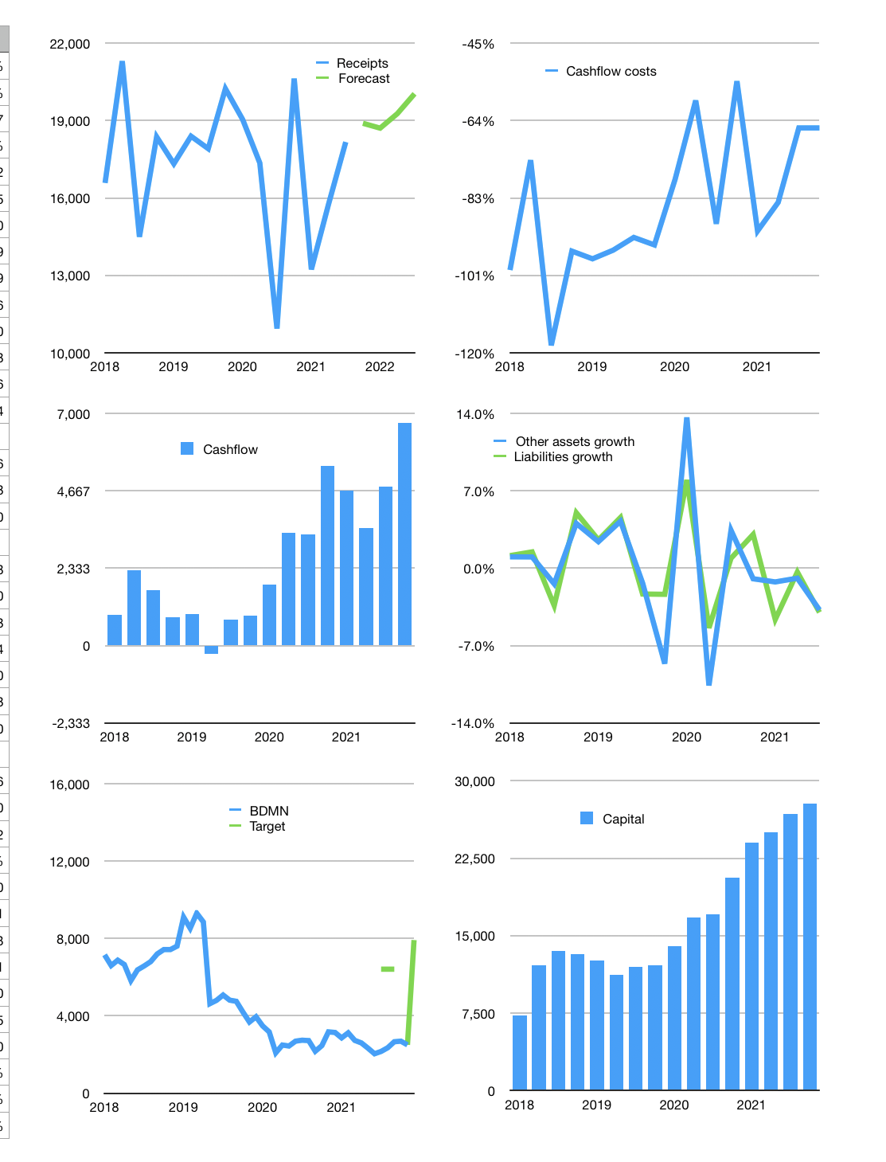
Financial model
Rpbn | 4Q 2021
Cashflow | 22% |  |  | 3%
Growth | 4% | -1% | 3% | 4%
Sales | 18,894 | 18,705 | 19,266 | 20,037
Cost ratio | -66% | -66% | -66% | -66%
Cash costs | -12,383 | -12,259 | -12,627 | -13,132
Operating | 6,511 | 6,446 | 6,639 | 6,905
Investment | -180 | -180 | -180 | -180
Finance | -259 | -256 | -266 | -279
Equity | -259 | -256 | -266 | -279
Before revolver | 6,072 | 6,010 | 6,193 | 6,446
Revolver | 0 | 0 | 0 | 0
Beginning | 14,874 | 20,946 | 26,955 | 33,148
Change | 6,072 | 6,010 | 6,193 | 6,446
Ending | 20,946 | 26,955 | 33,148 | 39,594
Profit
Depreciation | -186 | -186 | -186 | -186
Provision | -1,138 | -1,138 | -1,138 | -1,138
Net profit | 5,186 | 5,121 | 5,315 | 5,580
Balance sheet
Other assets | 186,478 | 186,658 | 186,838 | 187,018
Depreciation | 14,217 | 15,541 | 16,866 | 18,190
Net other assets | 172,262 | 171,117 | 169,973 | 168,828
Liabilities | 143,524 | 143,524 | 143,524 | 143,524
Revolver | 0 | 0 | 0 | 0
Equity | 49,683 | 54,548 | 59,597 | 64,898
Check | 0 | 0 | 0 | 0
Valuation
Capital | 27,015 | 27,271 | 27,537 | 27,816
Current value |  |  |  | 24,430
P/assets |  |  |  | 0.12
Yield |  |  |  | 4%
Cashflow |  |  |  | 25,780
Valuation |  |  |  | 1
Forecast |  |  |  | 3
Value |  |  |  | 77,341
Shares |  |  |  | 10
Target |  |  |  | 7,915
Current |  |  |  | 2,500
V target |  |  |  | 217%
12 month growth |  |  |  | 66%
Sales v forecast |  |  |  | 6%

