Model
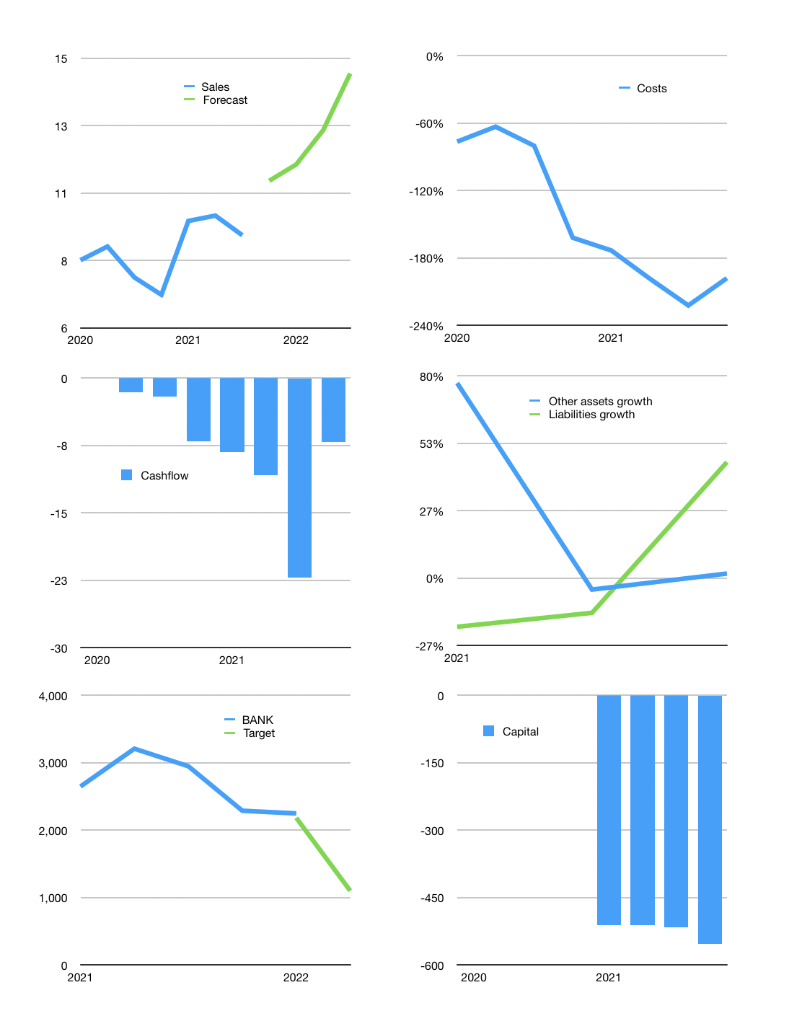
Financial model
Rpbn | 4Q 2021
Cash flow | 6% |  |  | 13%
Growth | 20.0% | 5% | 10.0% | 15%
Sales | 11 | 11 | 13 | 14
Cost ratio | -198% | -189% | -171% | -149%
Cash costs | -22 | -22 | -22 | -22
Operating | -11 | -10 | -9 | -7
Investment | 0 | 0 | 0 | 0
Finance | 11 | 10 | 9 | 7
Equity | 0 | 0 | 0 | 0
Before revolver | -11 | -10 | -9 | -7
Revolver | 11 | 10 | 9 | 7
Beginning | 37 | 37 | 37 | 37
Change | 0 | 0 | 0 | 0
Ending | 37 | 37 | 37 | 37
Profit
Depreciation | -1 | -1 | -1 | -1
Provision | 0 | 0 | 0 | 0
Net profit | -11 | -11 | -10 | -8
Balance sheet
Other assets | 1,168 | 1,168 | 1,168 | 1,168
Depreciation | 22 | 23 | 24 | 24
Net other assets | 1,145 | 1,144 | 1,144 | 1,143
Liabilities | 81 | 81 | 81 | 81
Revolver | 11 | 21 | 30 | 37
Equity | 1,090 | 1,079 | 1,069 | 1,061
Check | 0 | 0 | 0 | 0
Valuation
Capital | -526 | -537 | -546 | -553
Current value |  |  |  | 29,550
P/assets |  |  |  | 25.05
Yield |  |  |  | 0%
Sales |  |  |  | 58
Valuation |  |  |  | 510
Forecast |  |  |  | 250
Value |  |  |  | 14,487
Shares |  |  |  | 13
Target |  |  |  | 1,103
Current |  |  |  | 2,250
V target |  |  |  | -51%
12 month growth |  |  |  | 18%
Sales forecasts |  |  |  | -100%

Capital
Capital
 | Liabilities | Equity | Total | Liabilities | Equity | Total
2005 |  |  | 0 | 0 | 0 | 0 | 0
2006 |  |  | 0 | 0 | 0 | 0 | 0
2007 |  |  | 0 | 0 | 0 | 0 | 0
2008 |  |  | 0 | 0 | 0 | 0 | 0
2009 |  |  | 0 | 0 | 0 | 0 | 0
2010 |  |  | 0 | 0 | 0 | 0 | 0
2011 |  |  | 0 | 0 | 0 | 0 | 0
2012 |  |  | 0 | 0 | 0 | 0 | 0
2013 |  |  | 0 | 0 | 0 | 0 | 0
2014 |  |  | 0 | 0 | 0 | 0 | 0
2015 |  |  | 0 | 0 | 0 | 0 | 0
2016 |  |  | 0 | 0 | 0 | 0 | 0
2017 |  |  | 0 | 0 | 0 | 0 | 0
2018 | 0 | 18 | 18 | 0 | 18 | 18 | -18
2019 | 0 | 0 | 0 | 0 | 18 | 18 | -18
2020 | 0 | 0 | 0 | 0 | 18 | 18 | -18
2021 | 0 | 748 | 748 | 0 | 766 | 766 | -766
2022 |  | 0 | 0

