Model
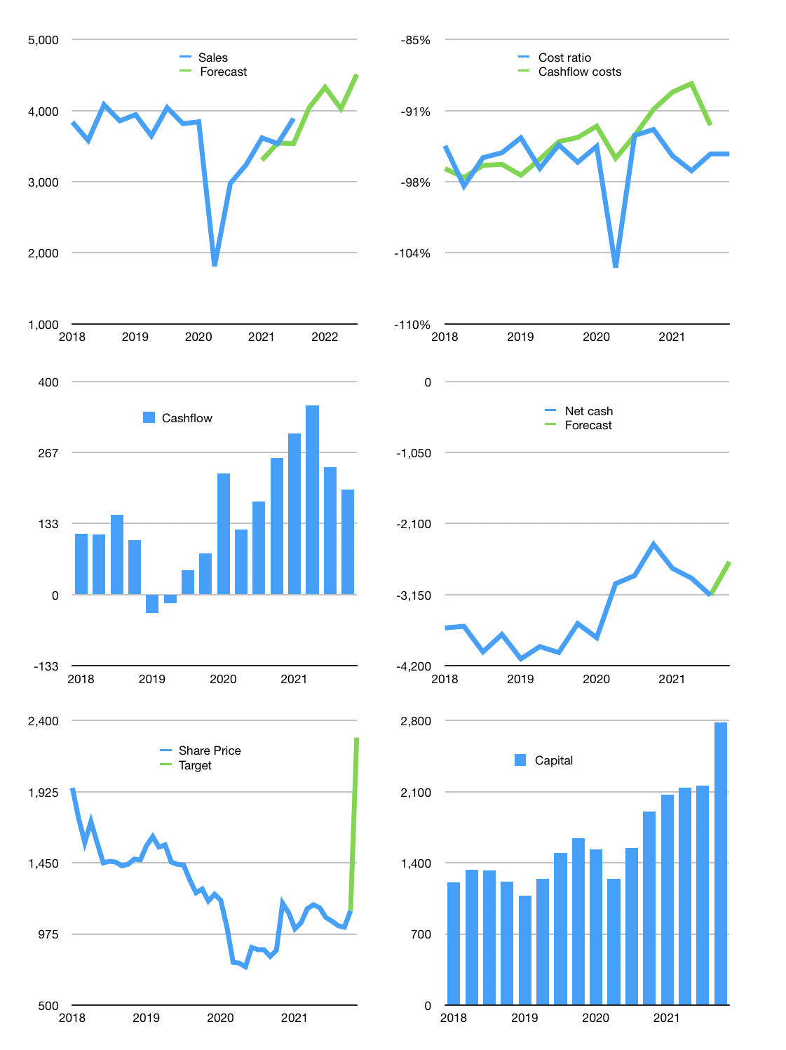
Financial model
Rp bn | 4Q 2021
Cashflow | 21% |  |  | 4%
Growth | 4% | 7% | -7% | 12%
Sales | 4,045 | 4,328 | 4,025 | 4,508
Cost ratio | -95% | -95% | -95% | -95%
Cash costs | -3,845 | -4,114 | -3,826 | -4,285
Operating | 200 | 214 | 199 | 223
Investment | -25 | -25 | -25 | -25
Leases | -29 | -29 | -29 | -29
Finance | -175 | -189 | -174 | -198
Liabilities | -580 | -223 | -212 | -202
Equity | -57 | -62 | -57 | -64
Before revolver | -463 | -96 | -96 | -68
Revolver | 463 | 96 | 96 | 68
Beginning | 1,888 | 1,888 | 1,888 | 1,888
Change | 0 | 0 | 0 | 0
End | 1,888 | 1,888 | 1,888 | 1,888
Profit
Non cash costs | -130 | -130 | -130 | -130
JV | 121 | 121 | 121 | 121
Net profit | 191 | 205 | 191 | 214
Balance sheet
Other assets | 19,175 | 19,322 | 19,468 | 19,614
Depreciation | 4,395 | 4,524 | 4,654 | 4,783
Net other assets | 14,781 | 14,798 | 14,814 | 14,831
Liabilities | 4,467 | 4,243 | 4,031 | 3,830
Revolver | 463 | 559 | 655 | 723
Equity | 11,739 | 11,883 | 12,016 | 12,166
Check | 0 | 0 | 0 | 0
Net cash | -3,042 | -2,915 | -2,798 | -2,665
Valuation
Capital | 2,306 | 2,466 | 2,611 | 2,780
Current value |  |  |  | 5,446
P/assets |  |  |  | 0.33
Yield |  |  |  | 4%
Cashflow |  |  |  | 735
Payback years |  |  |  | 20
Valuation |  |  |  | 7
Forecast |  |  |  | 15
Value |  |  |  | 11,019
Shares |  |  |  | 5
Target |  |  |  | 2,286
Current |  |  |  | 1,130
V target |  |  |  | 102%
12 month growth |  |  |  | 31%
Sales forecast |  |  |  | -6%

