Model
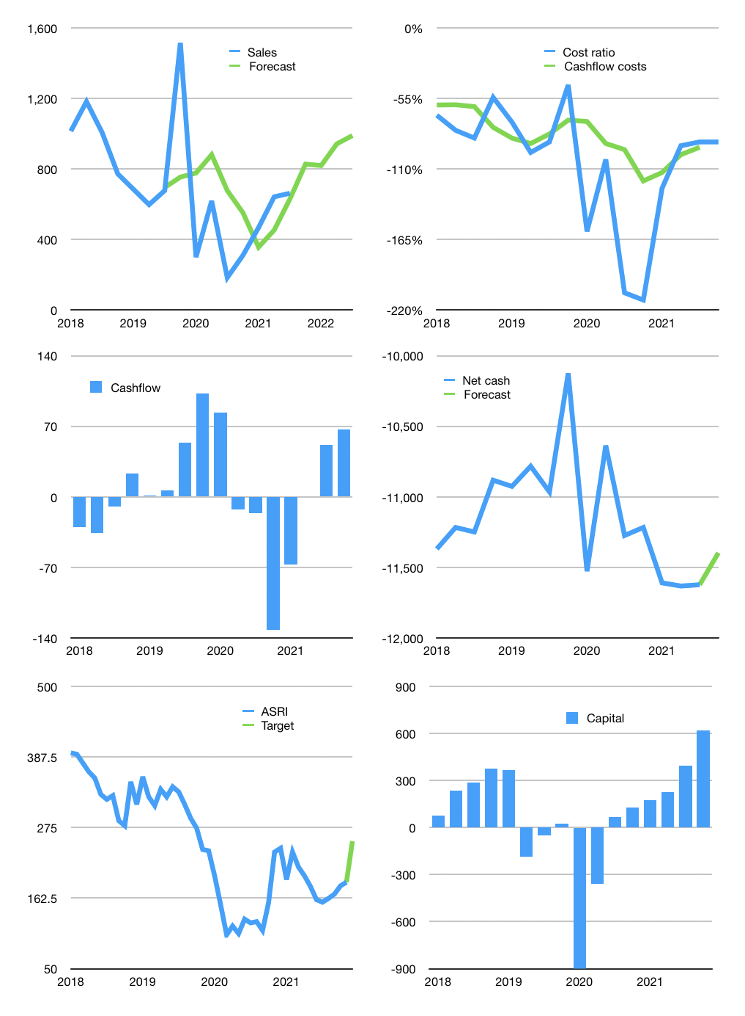
Financial model
Rpbn | 4Q 2021
Cashflow | 40% |  |  | 11%
Growth | 25% | -1% | 15% | 5%
Sales | 828 | 819 | 942 | 989
Cost ratio | -89% | -89% | -89% | -89%
Cash costs | -736 | -729 | -838 | -880
Operating | 92 | 91 | 104 | 110
Investment | -42 | -42 | -42 | -42
Finance | -49 | -48 | -62 | -67
Liabilities | -623 | -592 | -562 | -534
Equity | 0 | 0 | 0 | 0
Before revolver | -574 | -544 | -500 | -467
Revolver | 574 | 544 | 500 | 467
Beginning | 837 | 837 | 837 | 837
Change | 0 | 0 | 0 | 0
Ending | 837 | 837 | 837 | 837
Profit
Non cash costs | -26 | -26 | -26 | -26
Net profit | 66 | 65 | 78 | 83
Balance sheet
Other assets | 21,682 | 21,725 | 21,767 | 21,810
Depreciation | 802 | 828 | 854 | 880
Net other assets | 20,880 | 20,897 | 20,913 | 20,930
Liabilities | 11,836 | 11,244 | 10,682 | 10,148
Revolver | 574 | 1,117 | 1,618 | 2,085
Equity | 9,308 | 9,372 | 9,450 | 9,534
Check | 0 | 0 | 0 | 0
Net cash | -11,573 | -11,525 | -11,463 | -11,396
Valuation
Capital | 442 | 490 | 552 | 619
Current value |  |  |  | 3,694
P/assets |  |  |  | 0.17
Yield |  |  |  | 0%
Cashflow |  |  |  | 226
Payback |  |  |  | 92
Valuation |  |  |  | 16
Forecast |  |  |  | 22
Value |  |  |  | 4,978
Shares |  |  |  | 20
Target |  |  |  | 253
Current |  |  |  | 188
V target |  |  |  | 35%
12 month growth |  |  |  | 260%
Sales v forecast |  |  |  | 7%

