Model
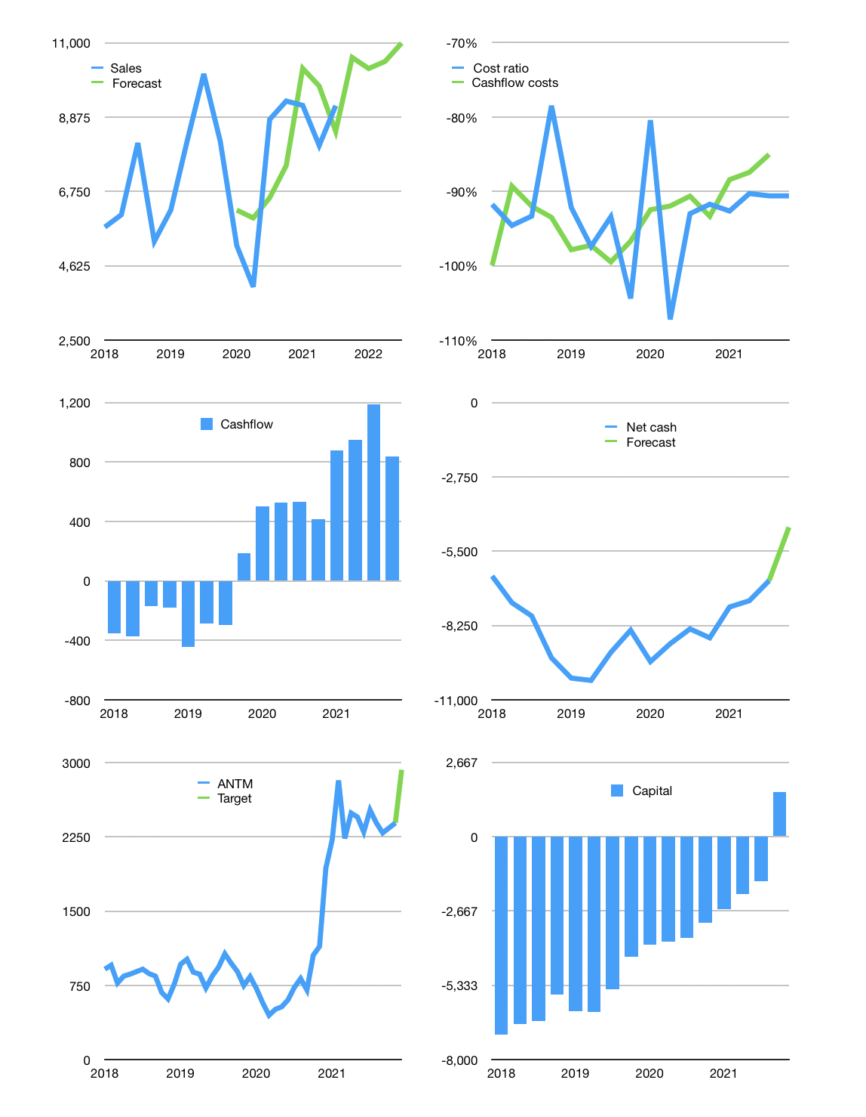
Financial model
Rpbn | 4Q 2021
Cashflow | 2% |  |  | 5%
Growth | 15% | -3% | 2% | 5%
Sales | 10,581 | 10,264 | 10,469 | 10,993
Cash cost ratio | -91% | -91% | -91% | -91%
Cash cost | -9,588 | -9,300 | -9,486 | -9,961
Operating | 994 | 964 | 983 | 1,032
Investment | -194 | -194 | -194 | -194
Finance | -800 | -770 | -789 | -838
Liabilities | -648 | -615 | -585 | -555
Equity | -306 | -294 | -301 | -321
Before revolver | -154 | -139 | -97 | -38
Revolver | 154 | 139 | 97 | 38
Beginning | 6,368 | 6,368 | 6,368 | 6,368
Change | 0 | 0 | 0 | 0
Ending | 6,368 | 6,368 | 6,368 | 6,368
Profit
Non cash costs | -229 | -229 | -229 | -229
Net profit | 764 | 734 | 754 | 803
Balance sheet
Other assets | 41,076 | 41,270 | 41,464 | 41,658
Depreciation | 14,178 | 14,408 | 14,637 | 14,867
Net other assets | 26,898 | 26,862 | 26,827 | 26,791
Liabilities | 12,309 | 11,694 | 11,109 | 10,554
Revolver | 154 | 293 | 390 | 429
Equity | 20,803 | 21,243 | 21,695 | 22,177
Check | 0 | 0 | 0 | 0
Net cash | -6,095 | -5,619 | -5,131 | -4,614
Valuation
Capital | -807 | -37 | 752 | 1,590
Current value |  |  |  | 57,430
P/assets |  |  |  | 1.73
Yield |  |  |  | 2.1%
Cashflow |  |  |  | 3,197
Payback |  |  |  | 8
Valuation |  |  |  | 18
Forecast |  |  |  | 22
Value |  |  |  | 70,330
Shares |  |  |  | 24
Target |  |  |  | 2,927
Current |  |  |  | 2,390
V target |  |  |  | 22%
12 month growth |  |  |  | 4%
Sales forecasts |  |  |  | -9%

