Model
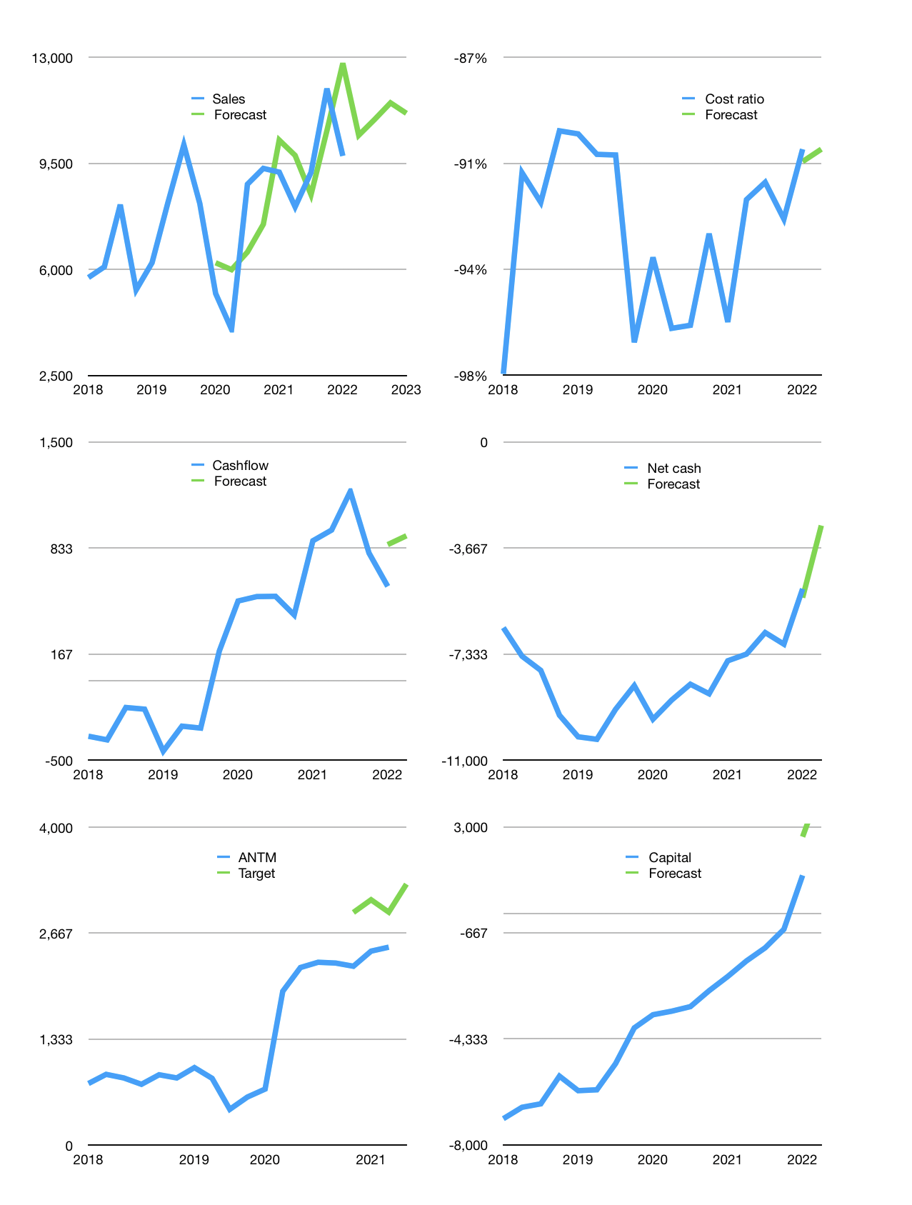
Financial model
Rpbn |  |  | 4Q 2022
Cashflow | 3% |  |  | 4%
Growth | 7% | 5% | 5% | -3%
Sales | 10,429 | 10,951 | 11,498 | 11,153
Cash cost ratio | -90% | -90% | -90% | -90%
Cash cost | -9,405 | -9,875 | -10,369 | -10,058
Operating | 1,024 | 1,075 | 1,129 | 1,095
Investment | -184 | -184 | -184 | -184
Finance | -788 | -785 | -785 | -750
Liabilities | -462 | -439 | -417 | -396
Revolver | 0 | 0 | 0 | 0
Payout | 0.4
Equity | -326 | -347 | -368 | -355
Before revolver | 52 | 106 | 160 | 160
Beginning | 4,159 | 4,211 | 4,317 | 4,477
Change | 52 | 106 | 160 | 160
Ending | 4,211 | 4,317 | 4,477 | 4,637
Profit
Non cash costs | -209 | -209 | -209 | -209
Net profit | 815 | 866 | 920 | 886
Balance sheet
Other assets | 40,185 | 40,369 | 40,554 | 40,738
Depreciation | 12,828 | 13,037 | 13,246 | 13,455
Net other assets | 27,357 | 27,333 | 27,308 | 27,284
Liabilities | 8,774 | 8,335 | 7,919 | 7,523
Revolver | 0 | 0 | 0 | 0
Equity | 22,794 | 23,314 | 23,866 | 24,398
Check | 0 | 0 | 0 | 0
Net cash | -4,563 | -4,019 | -3,442 | -2,886
Valuation
Capital | 2,106 | 2,892 | 3,676 | 4,427
Current value |  |  |  | 59,836,691,644,416
Current value |  |  |  | 59,837
P/assets |  |  |  | 1.87
Yield |  |  |  | 2%
Cashflow |  |  |  | 3,586
Payback |  |  |  | 8
Valuation |  |  |  | 17
Forecast |  |  |  | 22
Value |  |  |  | 78,890
Shares |  |  |  | 24
Target |  |  |  | 3,283
Current |  |  |  | 2,490
V target |  |  |  | 32%
12 month growth |  |  |  | 6%
Sales forecasts |  |  |  | 3%

Capital
Capital
Rpbn | Liabilities | Equity | Total | Liabilities | Equity | Total
1999 | -5 | -128 | -133 | -5 | -128 | -133
2000 | -132 | -90 | -222 | -138 | -218 | -356
2001 | -118 | -192 | -310 | -256 | -409 | -666
2002 | -91 | -179 | -271 | -348 | -589 | -936
2003 | 1,538 | -66 | 1,473 | 1,191 | -654 | 537
2004 | 157 | -94 | 63 | 1,348 | -748 | 600
2005 | -240 | -258 | -498 | 1,109 | -1,007 | 102
2006 | -668 | -286 | -954 | 441 | -1,293 | -852
2007 | -462 | -621 | -1,083 | -21 | -1,914 | -1,935
2008 | -244 | -2,066 | -2,310 | -265 | -3,980 | -4,245
2009 | -233 | -547 | -780 | -497 | -4,528 | -5,025
2010 | 309 | -242 | 67 | -189 | -4,769 | -4,958
2011 | 2,276 | -673 | 1,602 | 2,087 | -5,443 | -3,356
2012 | 1,639 | -856 | 784 | 3,726 | -6,298 | -2,572
2013 | 1,336 | -449 | 887 | 5,062 | -6,747 | -1,685
2014 | 1,048 | -92 | 956 | 6,111 | -6,840 | -729
2015 | 1,533 | 5,354 | 6,887 | 7,644 | -1,485 | 6,159
2016 | -27 | 0 | -27 | 7,617 | -1,485 | 6,132
2017 | -568 |  | -568 | 7,049 | -1,485 | 5,563
2018 | -572 | -48 | -620 | 6,477 | -1,533 | 4,944
2019 | -1,057 | -306 | -1,363 | 5,420 | -1,839 | 3,580 | 13.063782609
2020 | -1,087 | -68 | -1,155 | 4,332 | -1,907 | 2,425 | -1166.2496
2021 | -1,723 | -402 | -2,125 | 2,610 | -2,309 | 300 | -2125

ANTM RAISED 11 TRILLION RUPIAH 2010 to 2015

