Model
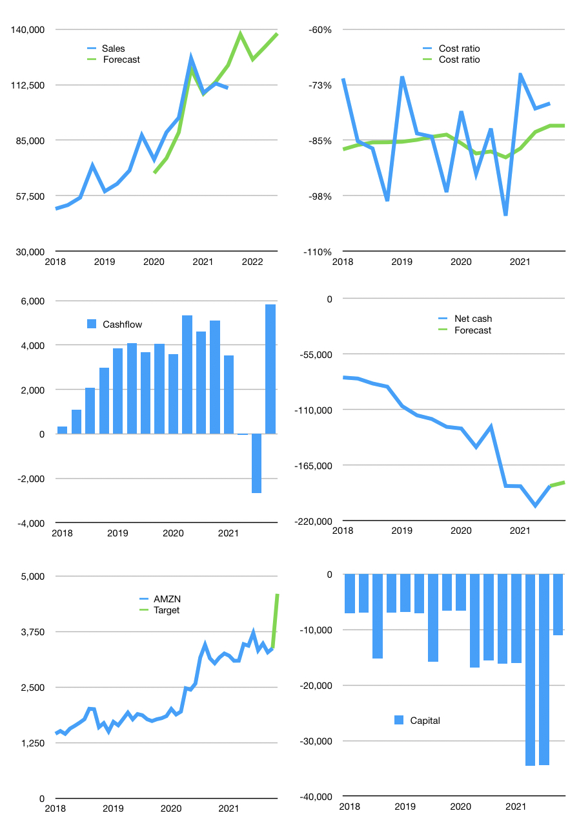
Financial model
$m | 4Q 2021
Cashflow | 5% |  |  | 6%
Growth | 24% | -9% | 5% | 5%
Sales | 137,407 | 125,040 | 131,292 | 137,857
Cash cost ratio | -82% | -82% | -82% | -82%
Cash cost | -112,311 | -102,203 | -107,313 | -112,679
Operating | 25,096 | 22,837 | 23,979 | 25,178
Investment | -15,748 | -15,748 | -15,748 | -15,748
Leases | -2,693 | -2,693 | -2,693 | -2,693
Finance | -9,348 | -7,089 | -8,231 | -9,430
Liabilities | -11,390 | -10,820 | -10,279 | -9,765
Equity | -8,186 | -6,605 | -7,405 | -8,244
Before revolver | -10,228 | -10,336 | -9,453 | -8,579
Revolver | 10,228 | 10,336 | 9,453 | 8,579
Beginning cash | 42,122 | 42,122 | 42,122 | 42,122
Change | 0 | 0 | 0 | 0
Ending cash | 42,122 | 42,122 | 42,122 | 42,122
Profit
Non cash costs | -13,401 | -13,401 | -13,401 | -13,401
Net profit | 11,695 | 9,436 | 10,578 | 11,777
Balance sheet
Other assets | 439,223 | 454,971 | 470,719 | 486,467
Depreciation | 157,803 | 171,204 | 184,605 | 198,006
Net other assets | 281,420 | 283,767 | 286,114 | 288,461
Liabilities | 216,401 | 205,581 | 195,302 | 185,537
Revolver | 10,228 | 20,564 | 30,017 | 38,596
Equity | 96,912 | 99,743 | 102,917 | 106,450
Check | 0 | 0 | 0 | 0
Net cash | -184,508 | -184,024 | -183,197 | -182,011
Valuation
Capital | -27,753 | -23,357 | -17,819 | -11,082
Current value |  |  |  | 1,710,000
P/assets |  |  |  | 5.17
Yield |  |  |  | 2%
Cashflow |  |  |  | 23,326
Payback |  |  |  | 12
Valuation |  |  |  | 73
Forecast |  |  |  | 100
Value |  |  |  | 2,332,589
Shares |  |  |  | 507
Target |  |  |  | 4,600
Current |  |  |  | 3,372
V target |  |  |  | 36%
12 month growth |  |  |  | 15%
Sales forecasts |  |  |  | -3%

