Model
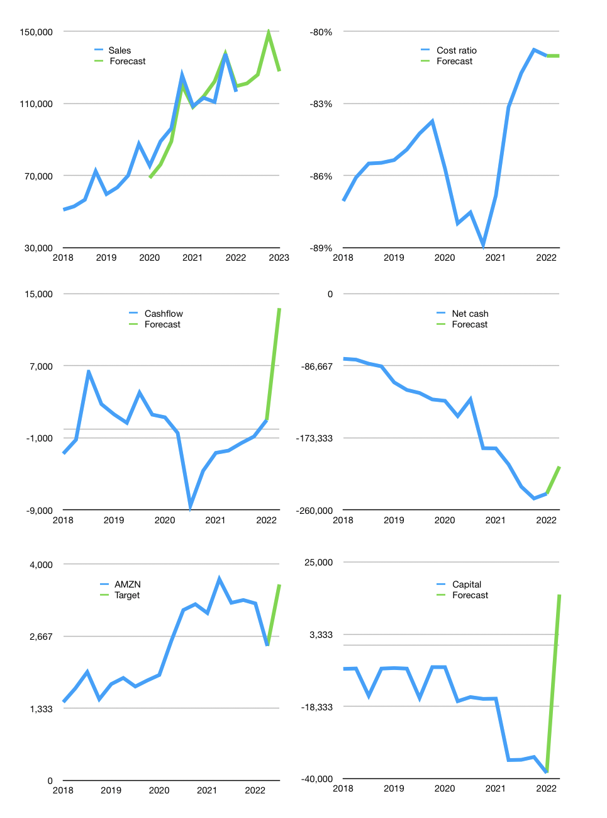
Financial model
$m |  |  | 4Q 2022
Cashflow | 3% |  |  | 3%
Growth | 4% | 4% | 18% | -14%
Sales | 121,102 | 125,946 | 148,616 | 127,810
Cash cost ratio | -81% | -81% | -81% | -81%
Cash cost | -98,118 | -102,043 | -120,411 | -103,553
Operating | 22,983 | 23,903 | 28,205 | 24,256
Investment | -8,666 | -8,666 | -8,666 | -8,666
Leases | -2,777 | -2,777 | -2,777 | -2,777
Finance | -14,317 | -15,237 | -19,539 | -15,590
Liabilities | -13,838 | -13,146 | -12,489 | -11,865
Revolver | 6,229 | 5,261 | 3,313 | 3,873
Payout | 0.7
Equity | -6,708 | -7,351 | -10,363 | -7,599
Before revolver | -6,229 | -5,261 | -3,313 | -3,873
Beginning cash | 36,393 | 36,393 | 36,393 | 36,393
Change | 0 | 0 | 0 | 0
Ending cash | 36,393 | 36,393 | 36,393 | 36,393
Profit
Non cash costs | -13,401 | -13,401 | -13,401 | -13,401
Net profit | 9,582 | 10,502 | 14,804 | 10,855
Balance sheet
Other assets | 544,565 | 553,231 | 561,897 | 570,563
Depreciation | 174,926 | 188,327 | 201,728 | 215,129
Net other assets | 369,639 | 364,904 | 360,169 | 355,434
Liabilities | 262,928 | 249,781 | 237,292 | 225,428
Revolver | 6,229 | 11,489 | 14,802 | 18,675
Equity | 136,876 | 140,026 | 144,467 | 147,724
Check | 0 | 0 | 0 | 0
Net cash | -232,763 | -224,878 | -215,702 | -207,710
Valuation
Capital | -26,795 | -14,335 | 2,427 | 15,241
Current value |  |  |  | 1,470,662,705,152
Current value |  |  |  | 1,470,663
P/assets |  |  |  | 3.75
Yield |  |  |  | 2%
Cashflow |  |  |  | 53,576
Payback |  |  |  | 7
Valuation |  |  |  | 27
Forecast |  |  |  | 40
Value |  |  |  | 2,143,025
Shares |  |  |  | 592
Target |  |  |  | 3,622
Current |  |  |  | 2,486
V target |  |  |  | 46%
12 month growth |  |  |  | 7%
Sales forecasts |  |  |  | -2%

Sales
Sales
$m | Sales | Forecast | Sales growth | Cost ratio | Cost ratio | Forecast
2015 | 22,717
 | 23,185 |  | 2%
 | 25,358 |  | 9%
 | 35,747 |  | 41%
2016 | 29,128 |  | -19% | -77%
 | 30,404 |  | 4% | -94%
 | 32,714 |  | 8% | -100%
 | 43,741 |  | 34% | -111% | -95%
2017 | 35,714 |  | -18% | -73% | -94%
 | 37,955 |  | 6% | -89% | -93%
 | 43,744 |  | 15% | -89% | -91%
 | 60,453 |  | 38% | -99% | -88%
2018 | 51,042 |  | -16% | -71% | -87%
 | 52,886 |  | 4% | -85% | -86%
 | 56,576 |  | 7% | -87% | -86%
 | 72,383 |  | 28% | -99% | -85%
2019 | 59,700 |  | -18% | -71% | -85%
 | 63,404 |  | 6% | -83% | -85%
 | 69,981 |  | 10% | -84% | -84%
 | 87,437 |  | 25% | -97% | -84%
2020 | 75,452 | 68,655 | -14% | -78% | -86%
 | 88,912 | 76,085 | 18% | -93% | -88%
 | 96,145 | 88,876 | 8% | -82% | -88%
 | 125,555 | 120,181 | 31% | -102% | -89%
2021 | 108,518 | 107,977 | -14% | -70% | -87%
 | 113,080 | 113,944 | 4% | -78% | -83%
 | 110,812 | 122,126 | -2% | -77% | -82%
 | 137,412 | 137,407 | 24% | -98% | -81%
2022 | 116,444 | 119,548 | -15% | -71% | -81% | -81%
 |  | 121,102 |  |  |  | -81%
 |  | 125,946
 |  | 148,616 | 972,330 | 954,800
2023 |  | 127,810

THE NASDAQ IS NOT TOO EXPENSIVE PART 2, FUNDAMENTAL VALUATION

 | Region 1 | Region 2
April | 17 | 55
May | 26 | 43
June | 53 | 70
July | 96 | 58

Capital
Capital
 | Liabilities | Employees | Public | Employees | Govt | Liabilities | Equity | Total
1995 | 0 | 1 |  |  |  | 0 | 0 | 0
1996 |  | 8 |  |  |  | 0 | 0 | 0
1997 | 75 | 0 | 49 |  |  | 75 | 49 | 124
1998 | 248 | 14 |  |  |  | 323 | 49 | 372
1999 | 1,075 | 64 |  |  |  | 1,398 | 49 | 1,447
2000 | 665 | 45 |  |  |  | 2,062 | 49 | 2,111
2001 | -10 | 17 | 100 |  |  | 2,053 | 149 | 2,202
2002 | -15 | 122 |  |  |  | 2,038 | 149 | 2,187
2003 | -495 | 163 |  |  |  | 1,542 | 149 | 1,691
2004 | -157 | 60 |  |  |  | 1,385 | 149 | 1,534
2005 | -259 | 59 |  | 7 |  | 1,126 | 149 | 1,275
2006 | -205 | 35 | -252 | 102 |  | 921 | -103 | 818
2007 | 41 |  | -248 | 257 |  | 962 | -351 | 611
2008 | -257 |  | -100 | 159 |  | 705 | -451 | 254
2009 | -385 |  |  | 105 |  | 320 | -451 | -131
2010 | -78 |  |  | 259 |  | 242 | -451 | -209
2011 | -267 |  | -277 | 62 |  | -25 | -728 | -753
2012 | 2,790 |  | -960 | 429 |  | 2,765 | -1,688 | 1,077
2013 |  | 589 |  | 1,380 |  | 2,765 | -1,688 | 1,077
2014 |  |  |  | 1,969 |  | 2,765 | -1,688 | 1,077
2015 |  |  |  |  |  | 2,765 | -1,688 | 1,077

AMZN BECAME A GREAT STOCK THANKS TO A PERFECT CAPITAL UP & DOWN

