Model
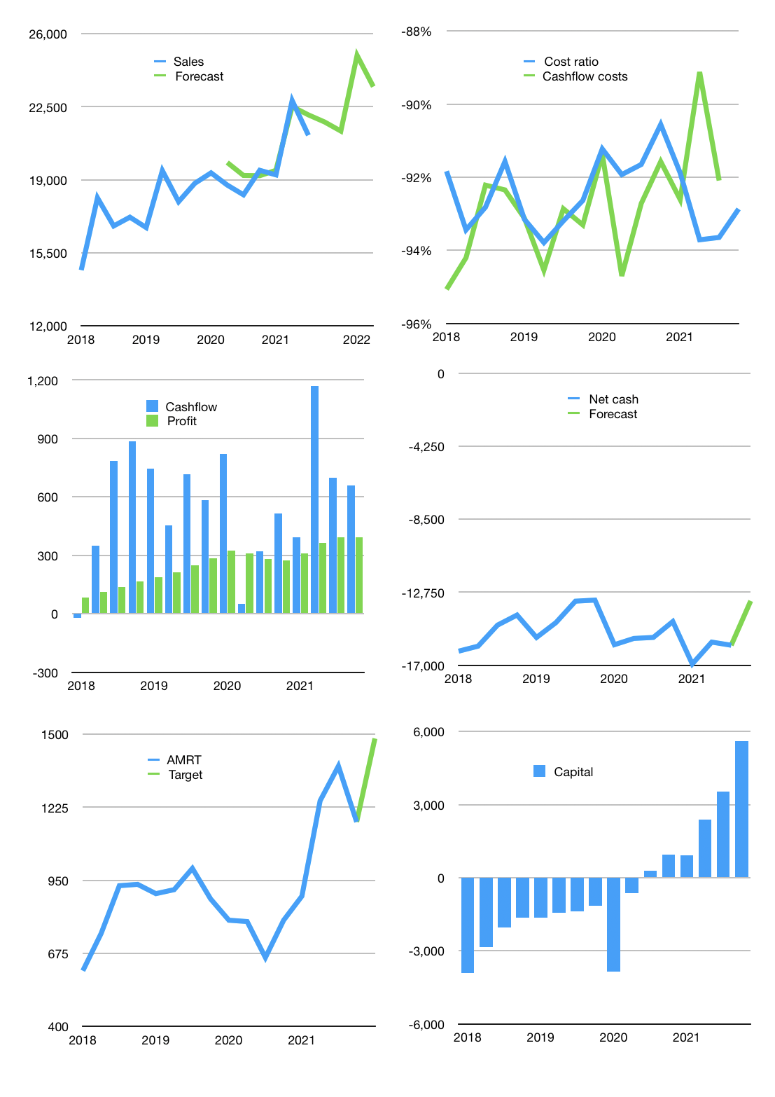
Financial model
Rp bn | 4Q 2021
Cashflow | 4% |  |  | 3%
Growth | 3% | -2% | 17% | -6%
Sales | 21,772 | 21,337 | 24,964 | 23,466
Costs ratio | -93% | -93% | -93% | -93%
Cash costs | -20,220 | -19,816 | -23,184 | -21,793
Operating | 1,552 | 1,521 | 1,780 | 1,673
Investment | -917 | -917 | -917 | -917
Leases | -98 | -98 | -98 | -98
Finance | -537 | -506 | -764 | -658
Liabilities | -918 | -867 | -819 | -773
Equity | -54 | -48 | -100 | -78
Before revolver | -435 | -409 | -154 | -194
Revolver | 435 | 409 | 154 | 194
Beginning | 2,522 | 2,522 | 2,522 | 2,522
Change | 0 | 0 | 0 | 0
Ending | 2,522 | 2,522 | 2,522 | 2,522
Profit
Non cash costs | -786 | -786 | -786 | -786
Others | -496 | -496 | -496 | -496
Net profit | 271 | 240 | 498 | 391
Balance sheet
Other assets | 35,869 | 36,290 | 36,711 | 37,133
Depreciation | 12,014 | 12,799 | 13,585 | 14,371
Net other assets | 23,855 | 23,491 | 23,126 | 22,762
Liabilities | 17,341 | 16,375 | 15,458 | 14,587
Revolver | 435 | 844 | 998 | 1,192
Equity | 8,602 | 8,793 | 9,192 | 9,505
Check | 0 | 0 | 0 | 0
Net cash | -15,254 | -14,698 | -13,934 | -13,257
Valuation
Capital | 3,964 | 4,371 | 5,037 | 5,596
Current value |  |  |  | 48,580
P/assets |  |  |  | 1.92
Yield |  |  |  | 1%
Cashflow |  |  |  | 2,465
Payback |  |  |  | 10
Valuation |  |  |  | 20
Forecast |  |  |  | 25
Value |  |  |  | 61,618
Shares |  |  |  | 42
Target |  |  |  | 1,484
Current |  |  |  | 1,170
V target |  |  |  | 27%
12 month growth |  |  |  | 16%
Sales v forecast |  |  |  | 2%

