Model
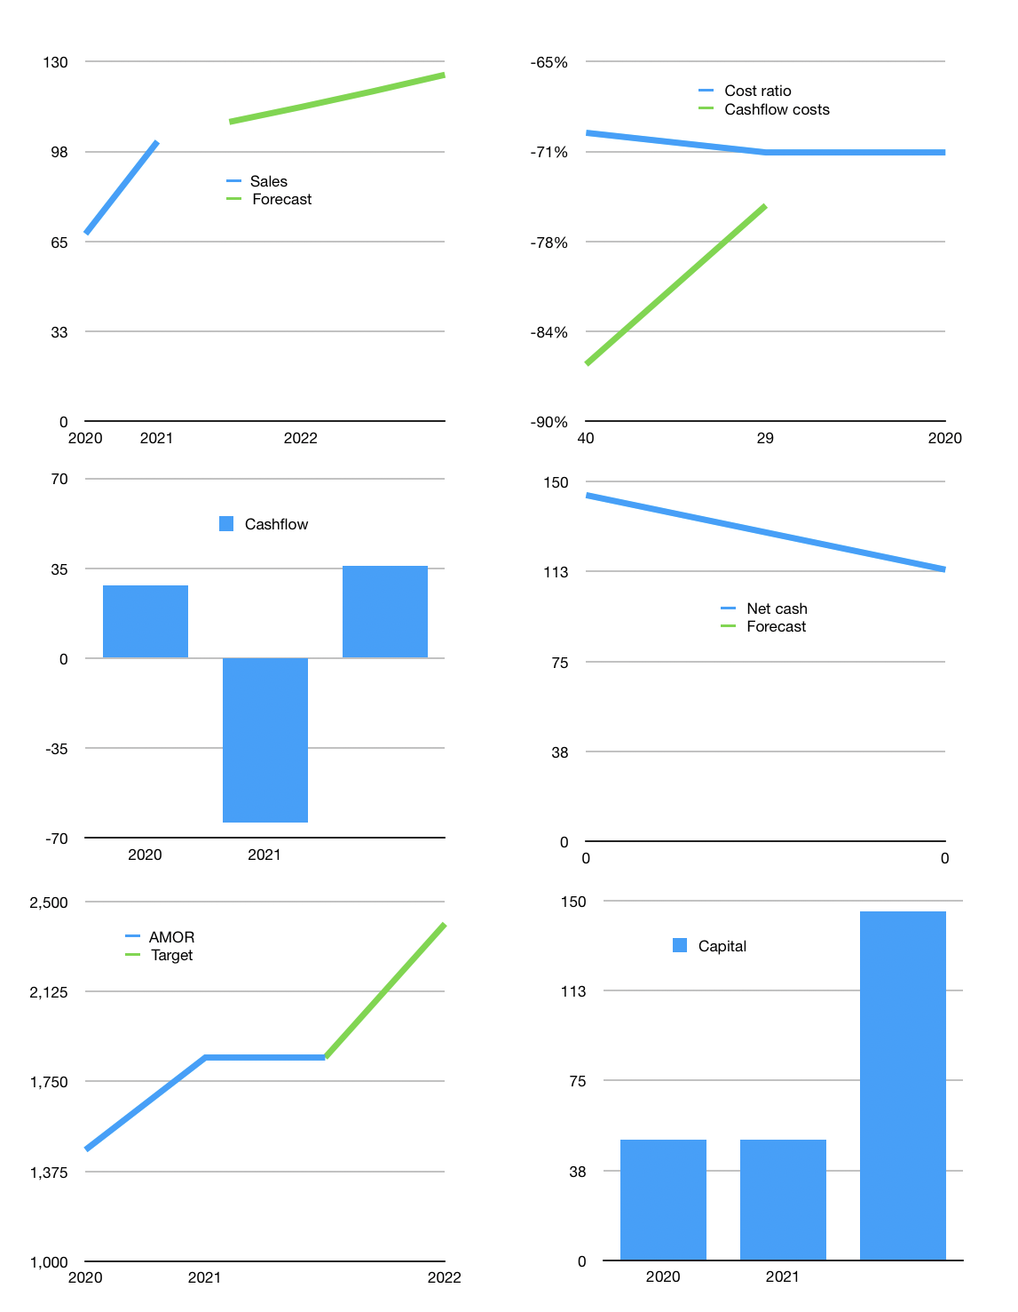
Model
Rpbn | 4Q 2021
Cashflow | 17% |  |  | 6%
Growth | 7% | 5% | 5% | 5%
Sales | 108 | 114 | 119 | 125
Cost ratio | -71% | -71% | -71% | -71%
Cash costs | -77 | -81 | -85 | -89
Non cash costs | 0 | -0.4 | -0.4 | -0.4
Profit | 31 | 32 | 34 | 36
Operating | 31 | 33 | 34 | 36
Investment | 0 | 0 | 0 | 0
Liabilities | -4 | -4.03275 | -3.8311125 | -3.639556875
Equity | -18 | -19 | -20 | -21
Before revolver | 8 | 9 | 10 | 11
Revolver | 0 | 0 | 0 | 0
Beginning | 198 | 206.607 | 215.84685 | 225.9399675
Change | 8 | 9 | 10 | 11
Ending | 207 | 215.84685 | 225.9399675 | 236.90885213
Balance sheet
Other assets | 233 | 233 | 233 | 233
Depreciation | 6 | 6.3 | 6.7 | 7.1
Liabilities | 81 | 76.62225 | 72.7911375 | 69.151580625
Revolver | 0 | 0 | 0 | 0
Equity | 353 | 365.9246 | 379.44883 | 393.6572715
Check | 0 | 0 | 0 | 0
Net cash | 126 | 139.2246 | 153.14883 | 167.7572715
Valuation
Capital | 73 | 96.36465 | 120.4821075 | 145.43432663
Current value |  |  |  | 4111
P/assets |  |  |  | 8.88
Yield |  |  |  | 2%
Cashflow |  |  |  | 134
Payback |  |  |  | 1.7010213315
Valuation |  |  |  | 30.738016237
Forecast |  |  |  | 40
Value |  |  |  | 5350
Shares |  |  |  | 2.2221621622
Current |  |  |  | 1850
Target |  |  |  | 2407.4422835
V target |  |  |  | 30%
12 month growth |  |  |  | 67%

