Model
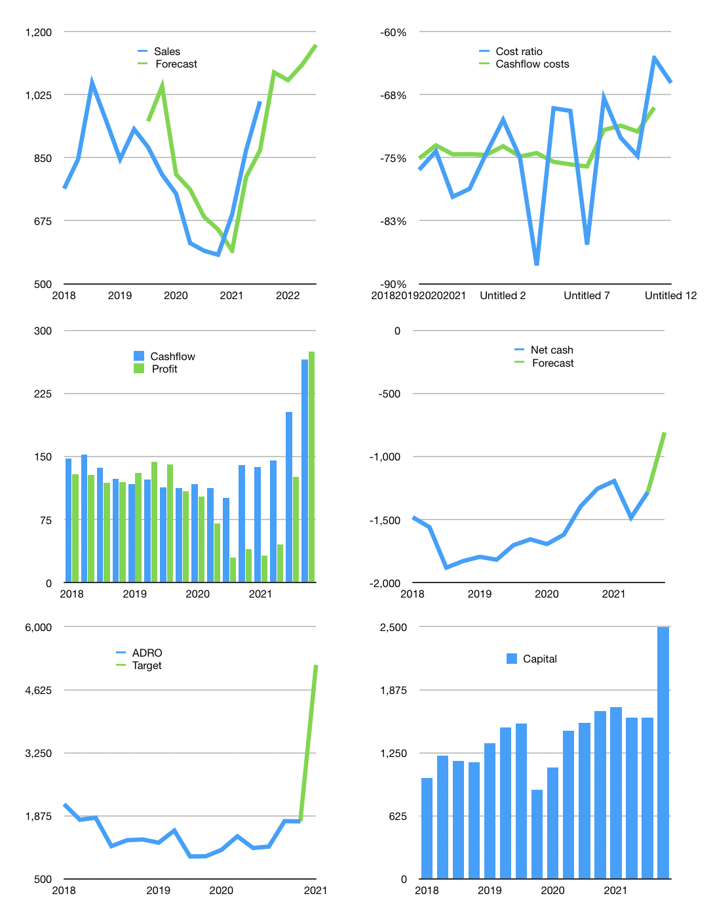
Financial model
$m | 4Q 2021
Cashflow | 15% |  |  | 4%
Growth | 8% | -2% | 4% | 5%
Sales | 1087 | 1065 | 1108 | 1163
Cost ratio | -66% | -66% | -66% | -66%
Cash costs | -718 | -704 | -732 | -769
Operating | 368 | 361 | 376 | 394
Investment | -129 | -129 | -129 | -129
Finance | -264 | -253 | -254 | -257
Liabilities | -140 | -133 | -126 | -120
Equity | -124 | -121 | -128 | -137
Before revolver | 1487 | 1465 | 1458 | 1466
Revolver | 0 | 0 | 0 | 0
Beginning | 1,511 | 1,487 | 1,465 | 1,458
Change | -24 | -21 | -7 | 8
Ending | 1,487 | 1,465 | 1,458 | 1,466
Profit
Non Cash costs | -120 | -120 | -120 | -120
Net profit | 249 | 241 | 256 | 275
Balance sheet
Other assets | 9,745 | 9,874 | 10,002 | 10,131
Depreciation | 4,129 | 4,248 | 4,368 | 4,487
Net LT assets | 5,616 | 5,625 | 5,635 | 5,644
Liabilities | 2,654 | 2,522 | 2,396 | 2,276
Revolver | 0 | 0 | 0 | 0
Equity | 4,448 | 4,569 | 4,697 | 4,835
Check | 0 | 0 | 0 | 0
Net cash | -1,168 | -1,056 | -937 | -809
Valuation
Rupiah |  |  |  | 14
Capital | 1,863 | 2,116 | 2,370 | 2,627
Current value |  |  |  | 4,010
P/assets |  |  |  | 0.56
Yield |  |  |  | 13%
Cashflow |  |  |  | 984
Payback |  |  |  | 6
Valuation |  |  |  | 4
Forecast |  |  |  | 12
Value |  |  |  | 11,811
Shares |  |  |  | 32
Target |  |  |  | 5,169
Current |  |  |  | 1,755
V target |  |  |  | 195%
12 month growth |  |  |  | 70%
Sales v forecast |  |  |  | 9%

