Model
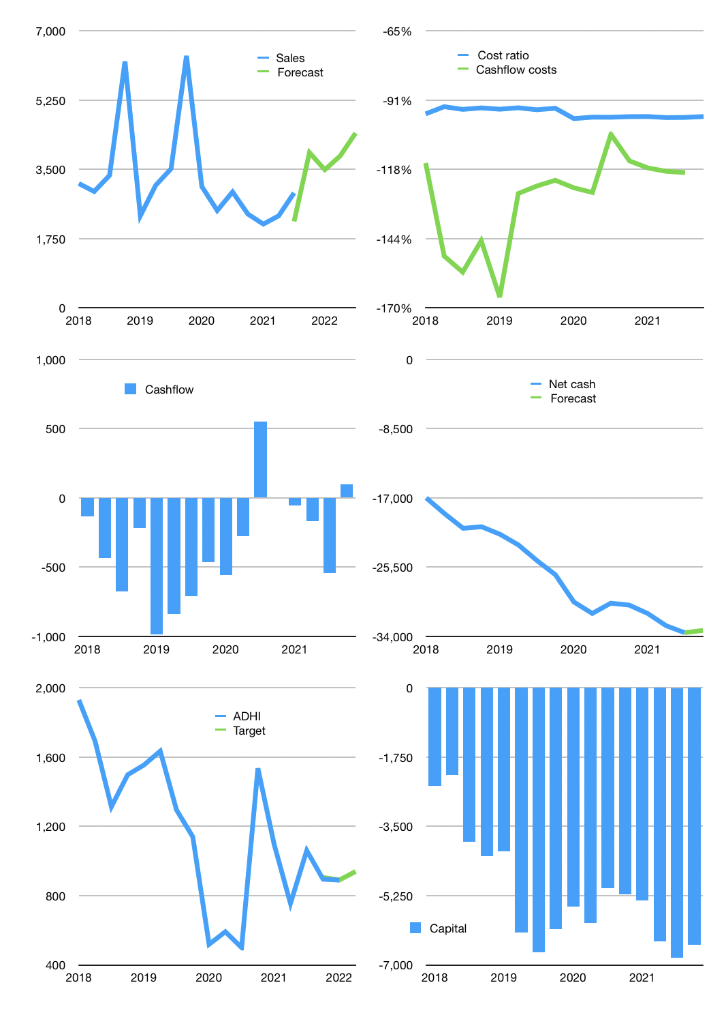
Financial model
Rpbn | 4Q 2021
Cash flow | 1% |  |  | 12%
Growth | 35% | -11% | 10% | 15%
Sales | 3,923 | 3,492 | 3,841 | 4,417
Cost ratio | -97% | -97% | -97% | -97%
Cash costs | -3,825 | -3,404 | -3,745 | -4,306
Operating | 98 | 88 | 96 | 111
Investment | -15 | -15 | -15 | -15
Finance | -84 | -73 | -82 | -96
Liabilities | -1,758 | -1,670 | -1,587 | -1,507
Equity | -15 | -12 | -14 | -19
Before revolver | -1,689 | -1,609 | -1,519 | -1,430
Revolver | 1,689 | 1,609 | 1,519 | 1,430
Beginning | 1,625 | 1,625 | 1,625 | 1,625
Change | 0 | 0 | 0 | 0
Ending | 1,625 | 1,625 | 1,625 | 1,625
Profit
Non cash costs | -48 | -48 | -48 | -48
Net profit | 50.1 | 39.3 | 48.1 | 62.5
Balance sheet
Other assets | 40,219 | 40,233 | 40,248 | 40,262
Depreciation | 1,118 | 1,166 | 1,215 | 1,263
Net other assets | 39,100 | 39,067 | 39,033 | 39,000
Liabilities | 33,403 | 31,733 | 30,146 | 28,639
Revolver | 1,689 | 3,298 | 4,818 | 6,248
Equity | 5,633 | 5,661 | 5,694 | 5,738
Check | 0 | 0 | 0 | 0
Net cash | -33,467 | -33,406 | -33,339 | -33,262
Valuation
Capital | -6,733 | -6,660 | -6,579 | -6,483
Current value |  |  |  | 3,169
P/assets |  |  |  | 0.08
Yield |  |  |  | 2%
Cashflow |  |  |  | 334
Payback |  |  |  | 117
Valuation |  |  |  | 9
Forecast |  |  |  | 10
Value |  |  |  | 3,345
Shares |  |  |  | 4
Target |  |  |  | 939
Current |  |  |  | 890
V target |  |  |  | 6%
12 month growth |  |  |  | -1%
Sales forecasts |  |  |  | -25%

