Model
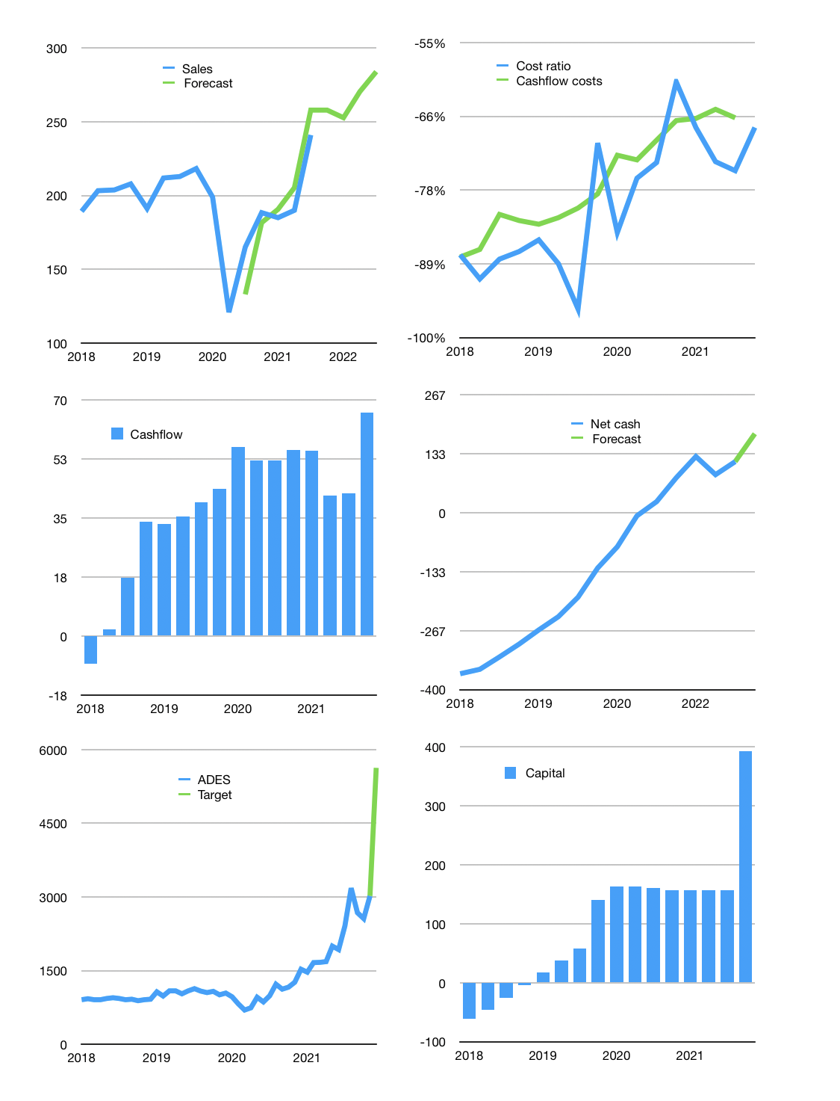
Financial model
Rpbn | 4Q 2021
Cash flow | 10% |  |  | 4%
Growth | 7% | -2% | 7% | 5%
Sales | 258 | 253 | 270 | 284
Cost ratio | -68% | -68% | -68% | -68%
Cash costs | -175 | -172 | -184 | -193
Operating | 83 | 81 | 87 | 91
Investment | -23 | -23 | -23 | -23
Leases | -1 | -1 | -1 | -1
Finance | -59 | -58 | -62 | -63
Liabilities | -15 | -15 | -14 | -13
Equity | -45 | -44 | -47 | -50
Before revolver | -1 | -1 | 2 | 5
Revolver | 1 | 1 | -1 | 0
Beginning | 421 | 421 | 421 | 423
Change | 0 | 0 | 1 | 5
Ending | 421 | 421 | 423 | 427
Profit
Non cash costs | -8 | -8 | -8 | -8
Net profit | 74 | 73 | 78 | 83
Balance sheet
Other assets | 1,182 | 1,205 | 1,229 | 1,252
Depreciation | 439 | 447 | 456 | 464
Net other assets | 743 | 758 | 773 | 788
Liabilities | 290 | 276 | 262 | 249
Revolver | 1 | 1 | 0 | 0
Equity | 873 | 902 | 933 | 966
Check | 0 | 0 | 0 | 0
Net cash | 130 | 144 | 160 | 178
Valuation
Capital | 214 | 271 | 331 | 392
Current value |  |  |  | 1,781
P/assets |  |  |  | 1.5
Yield |  |  |  | 10%
Cashflow |  |  |  | 242
Payback years |  |  |  | 3
Valuation |  |  |  | 7
Forecast |  |  |  | 13
Value |  |  |  | 3,151
Shares |  |  |  | 0.6
Target |  |  |  | 5,627
Current |  |  |  | 3,180
V target |  |  |  | 77%
12 month growth |  |  |  | 46%
Sales v forecast |  |  |  | 0%

