Model
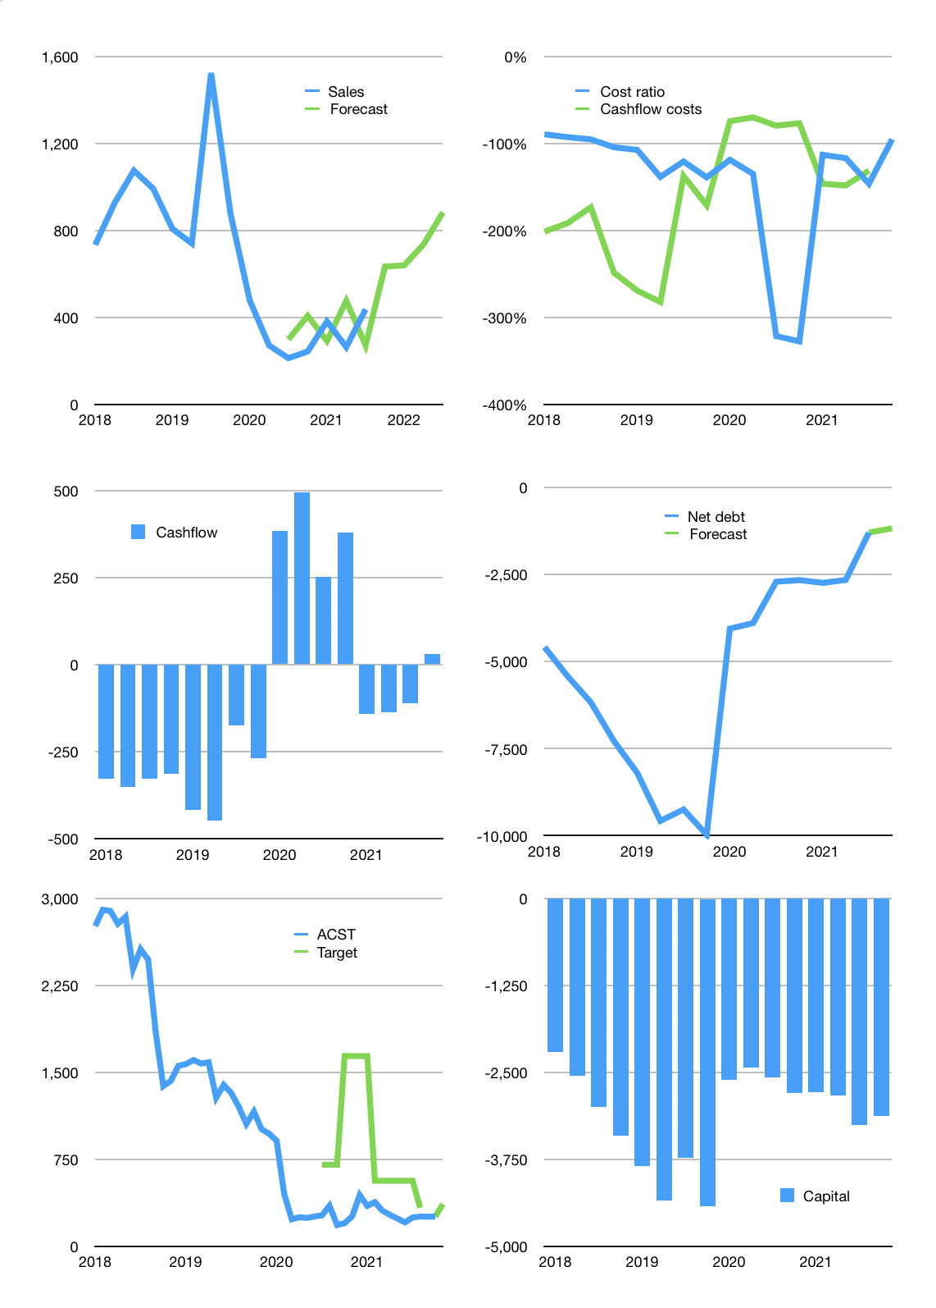
Financial model
Rpbn | 4Q 2021
Cashflow | 27% |  |  | 20%
Growth | 45% | 1% | 15% | 20.0%
Sales | 633 | 639 | 735 | 882
Cost ratio | -95% | -95% | -95% | -95%
Cash costs | -604 | -610 | -702 | -842
Operating | 29 | 29 | 34 | 40
Investment | -1 | -1 | -1 | -1
Finance | -28 | -28 | -32 | -39
Liabilities | -80 | -76 | -73 | -69
Equity | 0 | 0 | -1 | -3
Before revolver | -53 | -49 | -41 | -33
Revolver | 53 | 49 | 41 | 33
Beginning | 315 | 315 | 315 | 315
Change | 0 | 0 | 0 | 0
Ending | 315 | 315 | 315 | 315
Profit
Non cash costs | -30 | -30 | -30 | -30
Net profit | -1 | -1 | 3 | 10
Balance sheet
Other assets | 3,483 | 3,485 | 3,486 | 3,487
Depreciation | 805 | 836 | 866 | 896
Net other assets | 2,678 | 2,649 | 2,620 | 2,591
Liabilities | 1,528 | 1,451 | 1,379 | 1,310
Revolver | 53 | 101 | 143 | 176
Equity | 1,413 | 1,411 | 1,414 | 1,421
Check | 0 | 0 | 0 | 0
Net cash | -1,265 | -1,238 | -1,206 | -1,170
Valuation
Capital | -3,225 | -3,198 | -3,165 | -3,126
Current value |  |  |  | 1,645
P/assets |  |  |  | 0.57
Yield |  |  |  | 0%
Cashflow |  |  |  | 156
Payback |  |  |  | 17
Valuation |  |  |  | 11
Forecast |  |  |  | 15
Value |  |  |  | 2,335
Shares |  |  |  | 6
Target |  |  |  | 363
Current |  |  |  | 256
V target |  |  |  | 42%
12 month growth |  |  |  | 106%
Sales forecasts |  |  |  | 14%

