Model
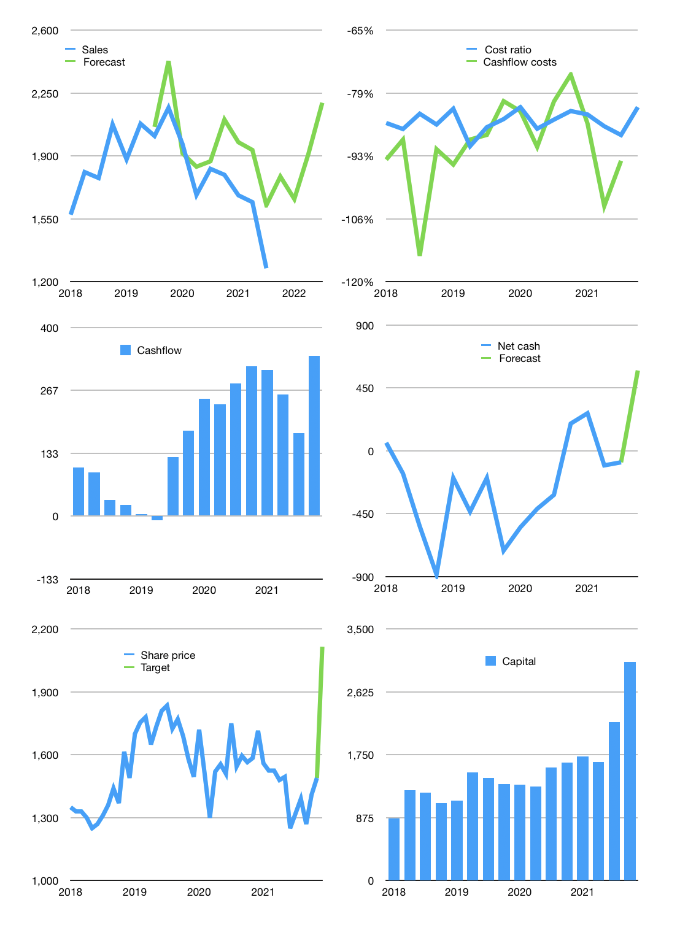
Financial model
Rpbn | 4Q 2021
Cashflow | -8% |  |  | 16%
Growth | 40% | -7% | 15% | 15%
Sales | 1,786 | 1,661 | 1,910 | 2,197
Cost ratio | -82% | -82% | -82% | -82%
Cash costs | -1,461 | -1,359 | -1,563 | -1,797
Operating | 325 | 302 | 348 | 400
Investment | -16 | -16 | -16 | -16
Leases | -44 | -44 | -44 | -44
Finance | -247 | -226 | -253 | -285
Liabilities | -97 | -92 | -87 | -83
Equity | -150 | -134 | -166 | -202
Before revolver | 62 | 1,970 | 2,049 | 2,147
Revolver | 0 | 0 | 0 | 0
Beginning | 1,848 | 1,910 | 1,970 | 2,049
Change | 62 | 60 | 78 | 98
Ending | 1,910 | 1,970 | 2,049 | 2,147
Profit
Non cash costs | -111 | -111 | -111 | -111
Net profit | 214 | 192 | 237 | 289
Balance sheet
Other assets | 7,039 | 7,056 | 7,072 | 7,088
Depreciation | 2,056 | 2,166 | 2,277 | 2,387
Net other assets | 4,984 | 4,889 | 4,795 | 4,701
Liabilities | 1,834 | 1,742 | 1,655 | 1,572
Revolver | 0 | 0 | 0 | 0
Equity | 5,060 | 5,118 | 5,189 | 5,276
Check | 0 | 0 | 0 | 0
Net cash | 77 | 228 | 394 | 575
Valuation
Capital | 2,411 | 2,592 | 2,801 | 3,042
Current value |  |  |  | 25,510
P/assets |  |  |  | 3.73
Yield |  |  |  | 3%
Cashflow |  |  |  | 1,132
Payback |  |  |  | 4
Valuation |  |  |  | 23
Forecast |  |  |  | 32
Value |  |  |  | 36,227
Shares |  |  |  | 17
Target price |  |  |  | 2,116
Current price |  |  |  | 1,490
V target |  |  |  | 42%
12 month growth |  |  |  | -30%
Sales v forecast |  |  |  | 11%

