Model
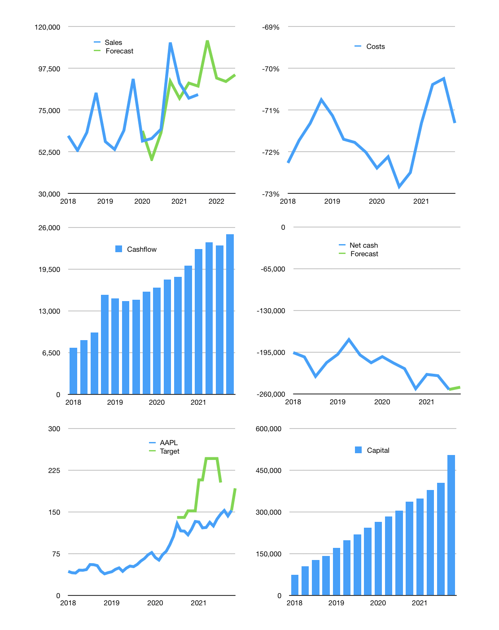
Financial model
$m | 4Q 2021
Cashflow | 11% |  |  | 5%
Growth | 35% | -18% | -2% | 4%
Sales | 112,536 | 92,280 | 90,434 | 94,051
Cost ratio | -71% | -72% | -71% | -70%
Cash costs | -80,248 | -66,458 | -64,501 | -65,873
Operating | 32,288 | 25,822 | 25,933 | 28,179
Investment | -3,223 | -3,223 | -3,223 | -3,223
Finance | -29,065 | -22,599 | -22,710 | -24,956
Liabilities | -14,396 | -13,676 | -12,992 | -12,342
Equity | -27,764 | -21,944 | -22,044 | -24,066
Before revolver | -13,095 | -13,022 | -12,327 | -11,452
Revolver | 13,095 | 13,022 | 12,327 | 11,452
Beginning | 34,940 | 34,940 | 34,940 | 34,940
Change | 0 | 0 | 0 | 0
Ending | 34,940 | 34,940 | 34,940 | 34,940
Profit
Non cash costs | -1,439 | -1,439 | -1,439 | -1,439
Net profit | 30,849 | 24,383 | 24,494 | 26,740
Balance sheet
Other assets | 408,051 | 411,274 | 414,497 | 417,720
Depreciation | 90,205 | 91,644 | 93,083 | 94,522
Net other assets | 317,846 | 319,630 | 321,414 | 323,198
Liabilities | 273,516 | 259,841 | 246,849 | 234,506
Revolver | 13,095 | 26,116 | 38,443 | 49,895
Equity | 66,175 | 68,613 | 71,062 | 73,736
Check | 0 | 0 | 0 | 0
Net cash | -251,671 | -251,017 | -250,352 | -249,462
Valuation
Capital | 433,501 | 456,099 | 478,809 | 503,764
Current value |  |  |  | 2,522,000
P/assets |  |  |  | 7.0
Yield |  |  |  | 4%
Cashflow |  |  |  | 99,328
Payback |  |  |  | 3.0
Valuation |  |  |  | 25
Forecast |  |  |  | 32
Value |  |  |  | 3,178,505
Shares |  |  |  | 16,530
Target |  |  |  | 192
Current |  |  |  | 153
V target |  |  |  | 26%
12 month growth |  |  |  | 29%
Sales forecast |  |  |  | -4%

